Sheet2
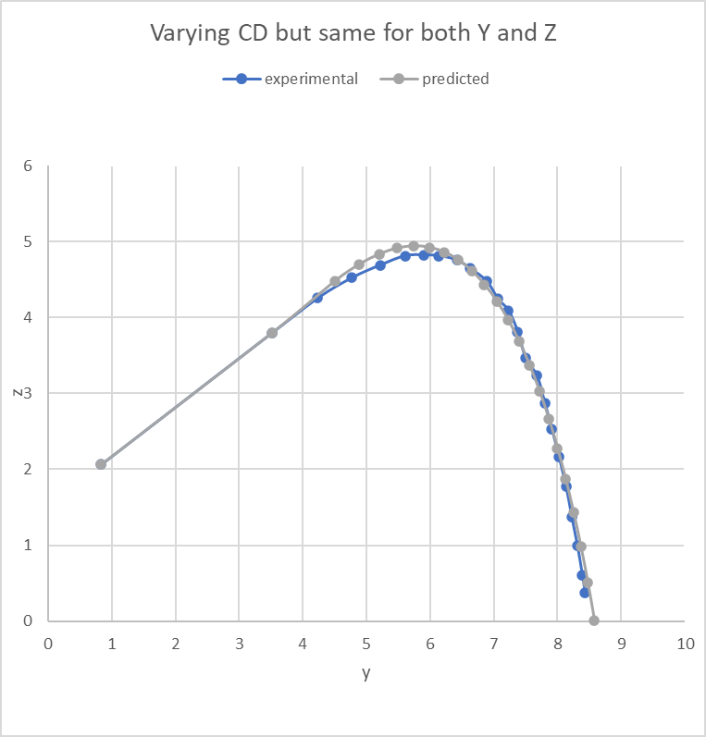
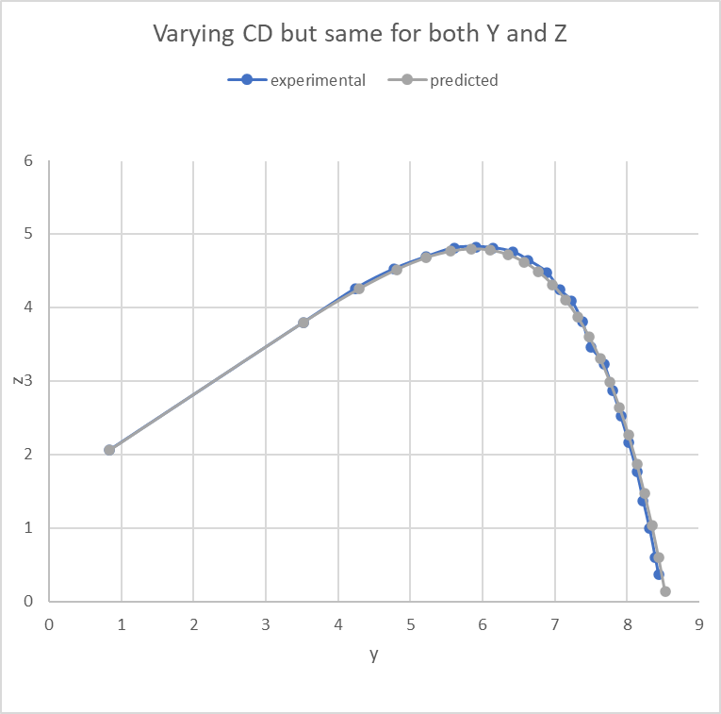
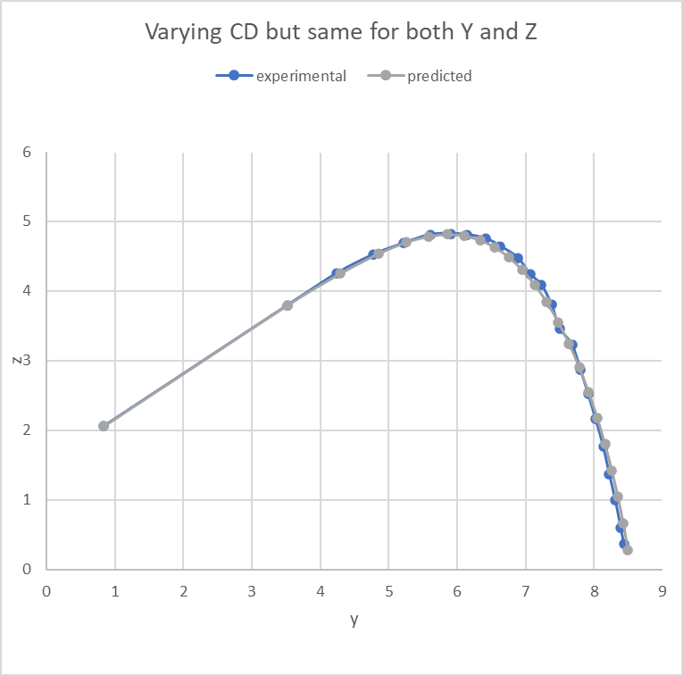
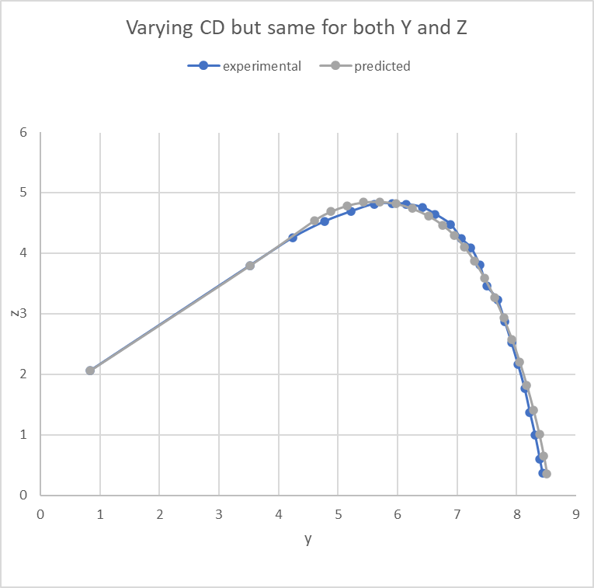
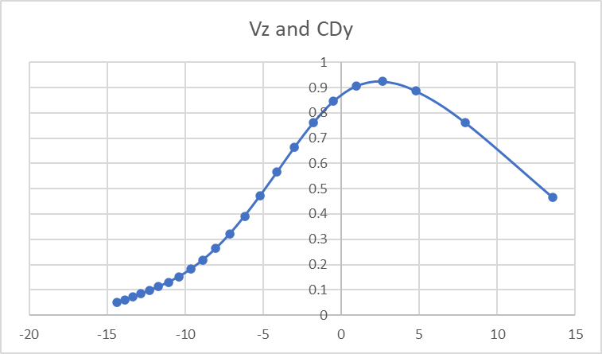
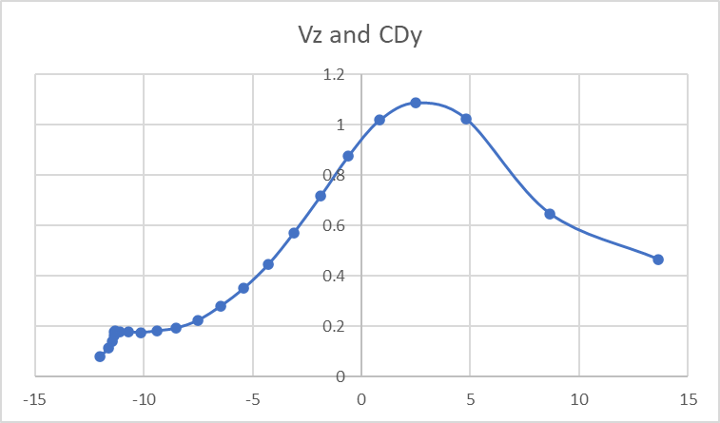
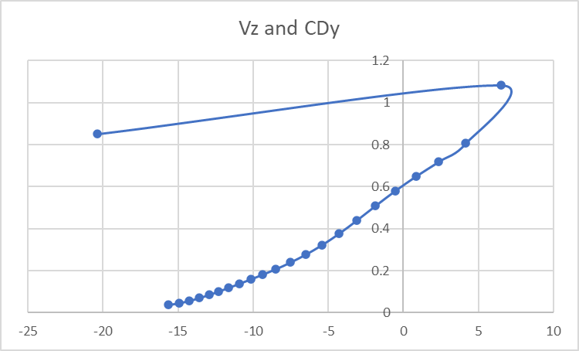
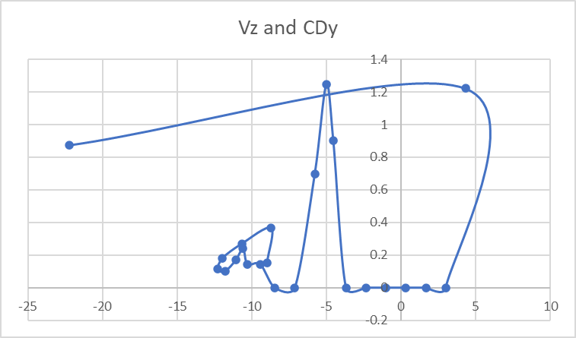
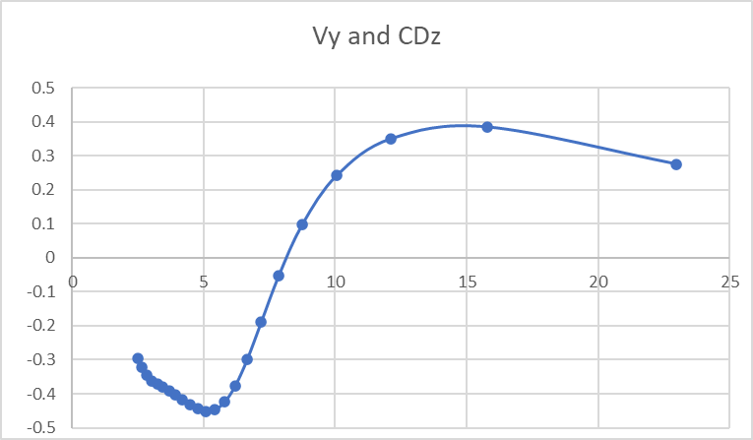
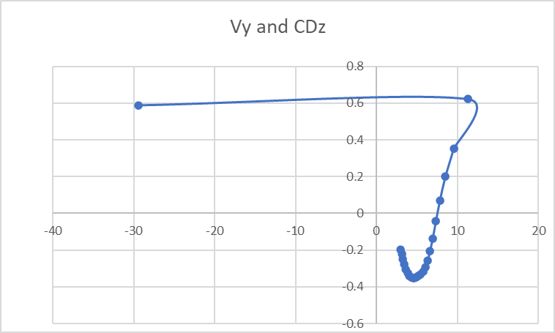
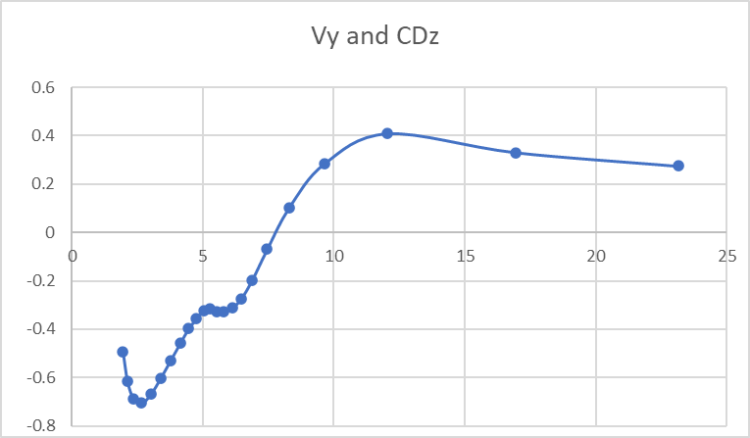
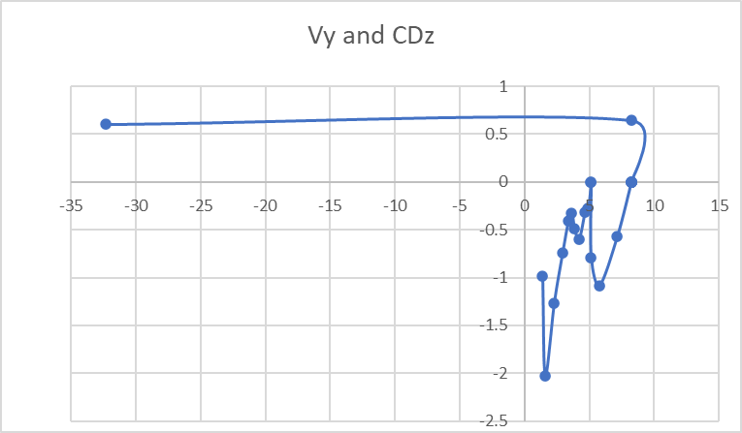
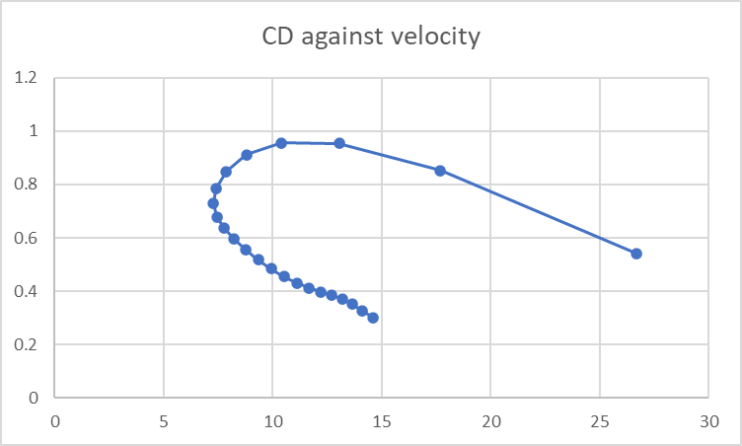
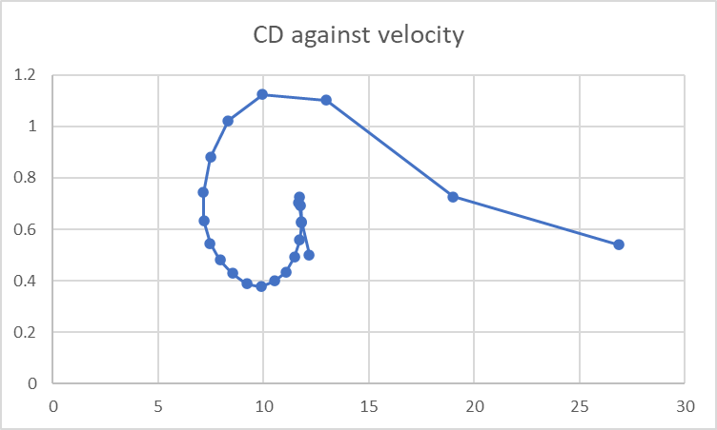
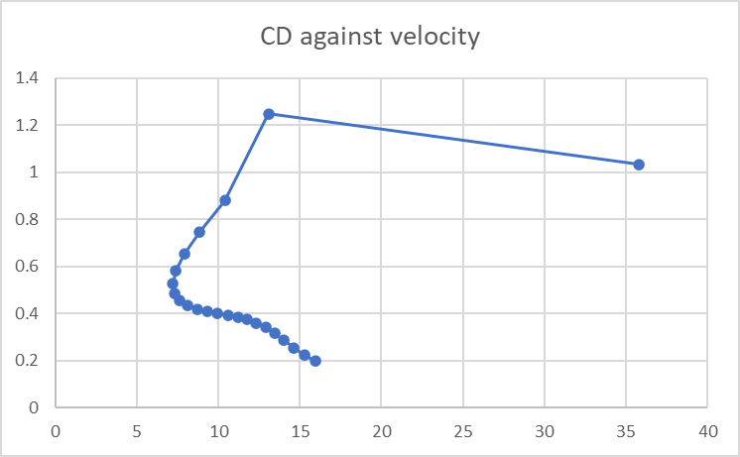
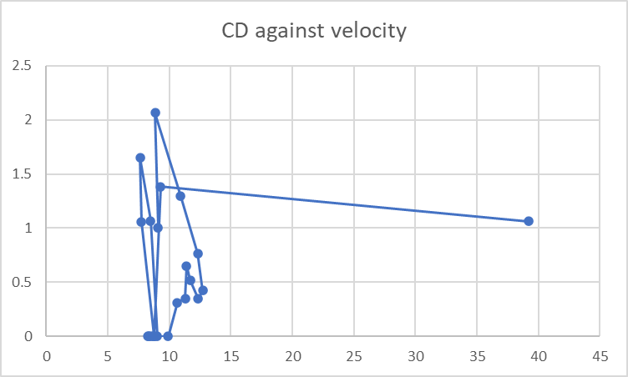
Starting CD all at 0.2 | Starting CD all at 0.3 | Starting CD all at 0.5 | Starting CD all at 1.0

Sheet1
 |  |  |  | Experimental |  |  |  |  | Constant CD |  |  |  |  |  |  | Changing CD
 | exp x | exp y | exp z | exp y flattened | expz flattened | real_v | real_launch_angle |  | gen y | gen z | vy | vz | v | launchAngle | err_coord | gen y | gen z | vy | vz | v | launchAngle | err_coord |  | coef_d | coef_dy | coef_dz
0 | 2.95E+03 | 10511.365604 | 1461.5225792 | 0 | 1461.5225792 | 23827.130207 | 46.63076105 |  | 0.83526315789 | 2.0613157895 |  |  | 287.83948111 | 0.57437797593 |  | 0.83526315789 | 2.0613157895 |  |  | 287.83948111 | 0.57437797593 |  |  |  |  |  | time step | 0.01
0.011111111111 | 2.94E+03 | 10352.347088 | 1653.9778709 | 181.80029587 | 1653.9778709 | 21986.533277 | 47.059790919 |  | 3.5202631579 | 3.7989473684 | 50.727284836 | 32.383309041 | 60.18252347 | 0.56816343287 |  | 3.5202631579 | 3.7989473684 | 64.150883016 | 44.682142019 | 78.178191378 | 0.60838414869 |  |  | 0.77485927276 | 0.55658805137 | 0.53908870667 | G | 9.81
0.022222222222 | 2.93E+03 | 10206.779671 | 1832.8175545 | 348.22242131 | 1832.8175545 | 20331.179776 | 48.371051553 |  | 4.0838996561 | 4.1587619133 | 42.347508044 | 26.588330546 | 50.002507524 | 0.56065371044 | 3462424.3017 | 4.233050747 | 4.2954156131 | 47.773334312 | 29.662601928 | 56.233099011 | 0.5556476612 | 3461821.8994 |  | 1.1555883275 | 0.71225496692 | 0.90998749709 | density air | 1.18
0.033333333333 | 2.92E+03 | 10075.517368 | 2001.6708374 | 498.29001049 | 2001.6708374 | 19060.181825 | 49.595346552 |  | 4.5544275232 | 4.4541878083 | 36.535314303 | 22.493590804 | 42.904438214 | 0.55185984499 | 4232649.1713 | 4.7638655727 | 4.6250000789 | 39.377269073 | 22.762230098 | 45.482836748 | 0.52412721616 | 4231760.1321 |  | 1.0849289518 | 0.68166826685 | 0.84403744255 | mass shuttle | 0.00512
0.044444444444 | 2.91E+03 | 9955.4473877 | 2162.938118 | 635.56181052 | 2162.938118 | 19230.045163 | 45.041376797 |  | 4.9603754599 | 4.704116595 | 32.232669383 | 19.399101442 | 37.620075921 | 0.54177570922 | 5055632.1746 | 5.2013907846 | 4.8779137467 | 34.154564426 | 22.316737632 | 40.799155011 | 0.57876464668 | 5054578.1039 |  | 0.63602937508 | 0.63602937508 | 4.8203065349E-13 | coef drag | 0.598680736
0.055555555556 | 2.90E+03 | 9823.3901978 | 2314.1326904 | 786.53816676 | 2314.1326904 | 17029.146441 | 50.650012965 |  | 5.3185162308 | 4.9196621666 | 28.904262736 | 16.950420925 | 33.507807655 | 0.53038422407 | 5942768.9523 | 5.5808859449 | 5.1258774982 | 24.911024486 | 10.78225606 | 27.144358284 | 0.40848457659 | 5941406.7366 |  | 3.0248073059 | 1.4468158136 | 2.6563477256 | diameter | 0.067522399394
0.066666666667 | 2.90E+03 | 9718.4526443 | 2460.4485035 | 906.50959319 | 2460.4485035 | 17669.268645 | 43.766977689 |  | 5.6396747057 | 5.1080001768 | 26.245813637 | 14.945925496 | 30.203036642 | 0.51766040881 | 6840263.5973 | 5.8576751058 | 5.2456803433 | 21.304095494 | 9.9637502315 | 23.518945629 | 0.43746861491 | 6839194.7804 |  | 1.1961802916 | 1.1634327089 | 0.27797773651 | density shuttle | 131
0.077777777778 | 2.89E+03 | 9594.4411278 | 2596.2519646 | 1048.2876131 | 2596.2519646 | 15629.587543 | 50.976810937 |  | 5.9312948572 | 5.2740660157 | 24.069952929 | 13.26136868 | 27.481385214 | 0.50357318095 | 7799673.165 | 6.094387278 | 5.3563886792 | 21.304028302 | 9.5182577659 | 23.333642081 | 0.42017466904 | 7798906.6051 |  | 2.9249330218E-05 | 2.9249330218E-05 | 0
0.088888888889 | 2.88E+03 | 9498.7995148 | 2731.1685085 | 1157.6313167 | 2731.1685085 | 16406.971324 | 42.881080496 |  | 6.1987387786 | 5.4214145566 | 22.254293873 | 11.815536737 | 25.196438323 | 0.48808661274 | 8755494.2018 | 6.3310987036 | 5.4621470988 | 19.997155958 | 9.0727653003 | 21.959082782 | 0.42592889259 | 8754967.3607 |  | 0.57340800249 | 0.57340800249 | 0
0.1 | 2.88E+03 | 9381.9558144 | 2855.2196026 | 1291.2146237 | 2855.2196026 | 14394.951485 | 50.933279453 |  | 6.4460087106 | 5.5526982981 | 20.715170572 | 10.552873077 | 23.248256322 | 0.47116096188 | 9771231.8594 | 6.5532893253 | 5.5629556021 | 19.997155958 | 8.6272728347 | 21.778798933 | 0.40730006192 | 9770897.7496 |  | 0 | 0 | 0
0.11111111111 | 2.87E+03 | 9293.7867165 | 2979.4020653 | 1392.0152627 | 2979.4020653 | 15117.288881 | 42.476332705 |  | 6.6761772725 | 5.6699524434 | 19.393268333 | 9.4339675441 | 21.56614477 | 0.45275364447 | 10762247.06 | 6.7754799471 | 5.6588141892 | 16.60199693 | 8.1817803691 | 18.508588062 | 0.45788636476 | 10762038.179 |  | 1.7003283921 | 1.7003283921 | 0
0.12222222222 | 2.86E+03 | 9185.4240417 | 3092.8297043 | 1515.9025102 | 3092.8297043 | 13380.656877 | 49.616453703 |  | 6.8916580317 | 5.774774305 | 18.24526285 | 8.4300211718 | 20.098628645 | 0.43282025334 | 11807021.893 | 6.9599465796 | 5.7497228599 | 14.081756545 | 6.8915498079 | 15.677669666 | 0.45512816334 | 11806970.472 |  | 2.1634295346 | 1.7888881703 | 1.2166784559
0.13333333333 | 2.86E+03 | 9101.1688232 | 3206.0782909 | 1612.2285482 | 3206.0782909 | 13608.328494 | 44.101538441 |  | 7.0943831745 | 5.8684412069 | 17.238709057 | 7.5194616992 | 18.807322888 | 0.41131569365 | 12817798.77 | 7.1164105412 | 5.8262956356 | 14.056591714 | 6.4460573423 | 15.464133532 | 0.42996525362 | 12817997.808 |  | 0.024861682623 | 0.024861682623 | 0
0.14444444444 | 2.85E+03 | 9006.1947823 | 3311.3057613 | 1720.8090401 | 3311.3057613 | 12695.060864 | 46.024547369 |  | 7.2859243862 | 5.9519907813 | 16.348786613 | 6.6857883255 | 17.663028881 | 0.38819549102 | 13861525.017 | 7.2725948936 | 5.8979184949 | 13.893326344 | 6.0005648767 | 15.133779956 | 0.40770272126 | 13861928.157 |  | 0.16381863393 | 0.16381863393 | 0
0.15555555556 | 2.85E+03 | 8920.5257416 | 3412.815094 | 1818.7514513 | 3412.815094 | 12268.084601 | 46.203041635 |  | 7.4675775708 | 6.0262773183 | 15.556155448 | 5.9161516704 | 16.643161446 | 0.36341731554 | 14886959.313 | 7.4269651863 | 5.964591438 | 13.893326344 | 4.8910889004 | 14.729129897 | 0.33849630421 | 14887526.741 |  | 1.5947499166 | 0 | 1.5947499166
0.16666666667 | 2.84E+03 | 8838.0057335 | 3511.2047195 | 1913.093684 | 3511.2047195 | 12434.776674 | 41.79691037 |  | 7.6404237425 | 6.0920123368 | 14.8455009 | 5.2003906217 | 15.730001894 | 0.33694275432 | 15916567.217 | 7.581335479 | 6.0189368702 | 13.142508766 | 4.4455964348 | 13.874035618 | 0.32617876139 | 15917304.681 |  | 0.80025048699 | 0.80025048699 | 0
0.17777777778 | 2.84E+03 | 8747.9102135 | 3603.290081 | 2016.0967339 | 3603.290081 | 11215.714729 | 48.742803123 |  | 7.8053737525 | 6.1497944549 | 14.204521504 | 4.5303625702 | 14.909480748 | 0.30873935202 | 16972652.429 | 7.7273633542 | 6.0683323862 | 12.277136588 | 3.898451694 | 12.881226976 | 0.3074676199 | 16973551.837 |  | 1.0957734965 | 1.0351342831 | 0.35946706628
0.18888888889 | 2.83E+03 | 8676.0293961 | 3696.9733238 | 2098.2755528 | 3696.9733238 | 11913.004662 | 39.508575446 |  | 7.9632017692 | 6.2001318167 | 13.623209131 | 3.8994674627 | 14.170309577 | 0.2787829209 | 17991212.48 | 7.863775983 | 6.1116485161 | 12.208527051 | 3.313505834 | 12.650195796 | 0.26502476222 | 17992281.303 |  | 0.61304259742 | 0.094624807798 | 0.60569577512
0.2 | 2.83E+03 | 8586.7020607 | 3781.1841965 | 2200.4003641 | 3781.1841965 | 10371.380268 | 48.768652721 |  | 8.1145707595 | 6.243459233 | 13.093327089 | 3.302303114 | 13.503348478 | 0.24706009873 | 19056294.569 | 7.9994262835 | 6.1484652476 | 12.144667546 | 2.8102551099 | 12.465571932 | 0.22739600347 | 19057516.644 |  | 0.31378101761 | 0.090186155658 | 0.30054115249
0.21111111111 | 2.82E+03 | 8520.2667236 | 3867.8491116 | 2276.3535562 | 3867.8491116 | 11124.515783 | 39.194113398 |  | 8.2600521716 | 6.2801514898 | 12.608025255 | 2.7344113724 | 12.901135857 | 0.21357110197 | 20055962.977 | 8.134367034 | 6.1796903044 | 11.587168783 | 2.2672575049 | 11.806902092 | 0.19322833589 | 20057309.009 |  | 1.0068095605 | 0.80319484503 | 0.60707786317
0.22222222222 | 2.82E+03 | 8436.4754677 | 3945.9617138 | 2372.149162 | 3945.9617138 | 9724.7678099 | 47.474879984 |  | 8.4001413411 | 6.3105338384 | 12.161551991 | 2.1920883922 | 12.357532049 | 0.17833258487 | 21108160.852 | 8.2631133539 | 6.2048820544 | 11.266583095 | 1.7109375679 | 11.395753683 | 0.15070802223 | 21109641.144 |  | 1.037604628 | 0.51109976379 | 0.90299523557
0.23333333333 | 2.81E+03 | 8372.5931168 | 4025.5947113 | 2445.1836146 | 4025.5947113 | 10365.348545 | 38.941162818 |  | 8.5352696966 | 6.3348903761 | 11.749035622 | 1.6722409148 | 11.867444027 | 0.1413804728 | 22091704.665 | 8.3882976105 | 6.2238924719 | 10.87221949 | 1.2120136791 | 10.939567349 | 0.11101965706 | 22093313.196 |  | 0.89782191228 | 0.66994074994 | 0.59771529823
0.24444444444 | 2.81E+03 | 8294.2397118 | 4097.9819298 | 2534.762316 | 4097.9819298 | 9330.4579038 | 45.565590765 |  | 8.6658145368 | 6.3534708307 | 11.366316773 | 1.1722760534 | 11.426608777 | 0.10277259501 | 23122586.981 | 8.5091000492 | 6.2373592905 | 9.5332538457 | 0.57543625807 | 9.5506049952 | 0.060287802518 | 23124328.941 |  | 3.9887068865 | 2.4554207439 | 3.1433567403
0.25555555556 | 2.81E+03 | 8230.755043 | 4172.0089912 | 2607.3421124 | 4172.0089912 | 9351.4212226 | 41.218346711 |  | 8.7921069454 | 6.3664961202 | 11.009818399 | 0.69001578386 | 11.031419808 | 0.062590902952 | 24105039.528 | 8.615025092 | 6.2437530267 | 9.3781555961 | 0.11121554238 | 9.3788150255 | 0.011858443598 | 24106982.494 |  | 0.8309561377 | 0.37154352775 | 0.74326543696
0.26666666667 | 2.80E+03 | 8162.3916149 | 4240.4749393 | 2685.4996234 | 4240.4749393 | 9351.4212226 | 41.218346711 |  | 8.914438261 | 6.3741629622 | 10.676444184 | 0.22362983368 | 10.678786013 | 0.020943034347 | 25091717.638 | 8.7192268208 | 6.244988755 | 9.3781555961 | -0.33427692322 | 9.384111223 | -0.035629123475 | 25093856.566
0.27777777778 | 2.80E+03 | 8094.0281868 | 4308.9408875 | 2763.6571344 | 4308.9408875 | 9247.0972076 | 37.398298454 |  | 9.0330654186 | 6.3766477382 | 10.363498506 | -0.22841762239 | 10.36601543 | -0.022037022107 | 26100012.798 | 8.8234285497 | 6.2412745669 | 9.3781555961 | -0.77976938883 | 9.4105176629 | -0.082956592228 | 26102332.706 | 296422223.98
0.28888888889 | 2.80E+03 | 8022.6323128 | 4371.3436127 | 2845.2815346 | 4371.3436127 | 8363.485061 | 43.378193888 |  | 9.148215402 | 6.3741097646 | 10.068623013 | -0.66741085814 | 10.090718837 | -0.066189380867 | 27096610.965 | 8.9276302785 | 6.2326104626 | 9.3781555961 | -1.2252618544 | 9.4578575268 | -0.1299147592 | 27099097.532
0.3 | 2.79E+03 | 7963.5531425 | 4435.1673126 | 2912.824679 | 4435.1673126 | 8625.0313433 | 37.51490307 |  | 9.260088991 | 6.3666940884 | 9.7897460601 | -1.0944176275 | 9.8507298138 | -0.11132999184 | 28044962.247 | 9.0318320074 | 6.218996442 | 9.3781555961 | -1.67075432 | 9.5258187251 | -0.17630413121 | 28047596.085
0.31111111111 | 2.79E+03 | 7897.0639229 | 4493.5269356 | 2988.8394732 | 4493.5269356 | 7949.8672751 | 40.708083786 |  | 9.3688639472 | 6.3545338925 | 9.5250422007 | -1.5103182561 | 9.6440390998 | -0.15725371441 | 29011961.274 | 9.1360337362 | 6.2004325051 | 9.3781555961 | -2.1162467856 | 9.6139639506 | -0.22193972966 | 29014731.732
0.32222222222 | 2.78E+03 | 7838.4954453 | 4551.1374474 | 3055.7987606 | 4551.1374474 | 8146.3741373 | 36.327916859 |  | 9.4746977495 | 6.3377525786 | 9.2728995522 | -1.9158302537 | 9.4687418206 | -0.20373867352 | 29935294.562 | 9.2402354651 | 6.1769186519 | 9.3781555961 | -2.5617392512 | 9.7217442044 | -0.26665499923 | 29938185.055
0.33333333333 | 2.78E+03 | 7774.7108459 | 4604.7592163 | 3128.7214572 | 4604.7592163 | 7526.5824358 | 40.653746191 |  | 9.5777299667 | 6.3164655757 | 9.0318933219 | -2.3115295532 | 9.3229966134 | -0.25055170353 | 30874733.323 | 9.3444371939 | 6.1484548825 | 9.3781555961 | -3.0072317168 | 9.8485148618 | -0.3103046508 | 30877733.928
0.34444444444 | 2.78E+03 | 7719.2155838 | 4659.2421532 | 3192.1672451 | 4659.2421532 | 7510.5154174 | 37.276078505 |  | 9.678084337 | 6.290781914 | 8.8007641489 | -2.6978692039 | 9.2049958091 | -0.29745455919 | 31778193.722 | 9.4486389227 | 6.1150411967 | 9.3781555961 | -3.4527241825 | 9.9935532552 | -0.35276637595 | 31781289.646
0.35555555556 | 2.77E+03 | 7661.1332417 | 4709.7842693 | 3258.5707509 | 4709.7842693 | 7510.5154174 | 37.276078505 |  | 9.7758706053 | 6.2608055895 | 8.57840018 | -3.0751961223 | 9.1129457828 | -0.34421047977 | 32677801.148 | 9.5528406516 | 6.0766775947 | 9.3781555961 | -3.8982166481 | 10.156076773 | -0.39394147137 | 32680982.49
0.36666666667 | 2.77E+03 | 7603.0508995 | 4760.3263855 | 3324.9742567 | 4760.3263855 | 7877.8377685 | 29.543876089 |  | 9.8711861628 | 6.2266367437 | 8.3638220146 | -3.4437663264 | 9.0450563957 | -0.39059064745 | 33591372.79 | 9.6570423804 | 6.0333640764 | 9.3781555961 | -4.3437091137 | 10.33526058 | -0.43375449202 | 33594630.365
0.37777777778 | 2.77E+03 | 7536.4429474 | 4803.4873009 | 3401.1247936 | 4803.4873009 | 6595.6776758 | 41.494843607 |  | 9.9641175185 | 6.1883726735 | 8.1561698318 | -3.803758934 | 8.99953823 | -0.43638009602 | 34514047.737 | 9.7612441093 | 5.9851006418 | 9.3781555961 | -4.7892015793 | 10.53025423 | -0.47215210566 | 34517374.086
0.38888888889 | 2.77E+03 | 7488.4297371 | 4852.042675 | 3456.0166139 | 4852.042675 | 7290.6265388 | 30.210928534 |  | 10.054741628 | 6.1461086853 | 7.9546921589 | -4.1552890969 | 8.9746061096 | -0.48138269564 | 35357366.757 | 9.8654458381 | 5.9318872909 | 9.3781555961 | -5.2346940449 | 10.740196652 | -0.50910134754 | 35360747.64
0.4 | 2.76E+03 | 7427.1976471 | 4892.8041458 | 3526.021116 | 4892.8041458 | 6324.2928797 | 38.495066532 |  | 10.143127096 | 6.0999388064 | 7.7587358667 | -4.498419959 | 8.9684872959 | -0.5254249517 | 36241276.04 | 9.969647567 | 5.8737240238 | 9.3781555961 | -5.6801865105 | 10.964229165 | -0.54458747534 | 36244706.876
0.41111111111 | 2.76E+03 | 7379.0919304 | 4936.5434647 | 3581.0186957 | 4936.5434647 | 6842.1923825 | 29.66555414 |  | 10.229335273 | 6.0499563625 | 7.5677370819 | -4.8331736703 | 8.9794327364 | -0.56835848803 | 37060302.892 | 10.073849296 | 5.8106108403 | 9.3781555961 | -6.1256789761 | 11.201506385 | -0.57861160765 | 37063773.572
0.42222222222 | 2.76E+03 | 7321.3102341 | 4974.1706848 | 3647.0784836 | 4974.1706848 | 6279.0347589 | 34.842784122 |  | 10.31342124 | 5.9962544328 | 7.3812128002 | -5.1595414573 | 9.0057298677 | -0.61006121649 | 37908817.29 | 10.178051025 | 5.7425477406 | 9.3781555961 | -6.5711714417 | 11.451205024 | -0.61118830058 | 37912322.91
0.43333333333 | 2.76E+03 | 7271.22612 | 5014.0304565 | 3704.3378957 | 5014.0304565 | 6282.2239403 | 31.318073941 |  | 10.395434716 | 5.9389261944 | 7.1987530476 | -5.4774927338 | 9.0457156759 | -0.65043730531 | 38726191.681 | 10.282252754 | 5.6695347246 | 9.3781555961 | -7.0166639073 | 11.712530673 | -0.64234318356 | 38729726.216
0.44444444444 | 2.75E+03 | 7219.0668106 | 5050.3129959 | 3763.9698057 | 5050.3129959 | 6592.3464574 | 27.051185338 |  | 10.475420861 | 5.878065164 | 7.0200135028 | -5.7869832347 | 9.0977889917 | -0.68941613771 | 39535043.868 | 10.386454482 | 5.5915717923 | 9.3781555961 | -7.4621563729 | 11.98472278 | -0.67211074124 | 39538602.222
0.45555555556 | 2.75E+03 | 7162.0065689 | 5083.6253166 | 3829.2047799 | 5083.6253166 | 5596.0751782 | 36.312902583 |  | 10.553421011 | 5.8137653503 | 6.8447085255 | -6.0879621657 | 9.1604212856 | -0.72695049493 | 40366268.351 | 10.490656211 | 5.5086589437 | 9.3781555961 | -7.9076488385 | 12.267058023 | -0.7005322976 | 40369846.348
0.46666666667 | 2.75E+03 | 7118.1818962 | 5120.4471588 | 3879.307992 | 5120.4471588 | 6488.2979377 | 23.465625117 |  | 10.629473328 | 5.7461213262 | 6.6726045726 | -6.3803783753 | 9.2321655094 | -0.76301420787 | 41126840.184 | 10.59485794 | 5.4207961788 | 9.3781555961 | -8.3531413041 | 12.558852337 | -0.72765423252 | 41130436.004
0.47777777778 | 2.74E+03 | 7060.3386879 | 5149.1541862 | 3945.4381045 | 5149.1541862 | 5574.7890236 | 31.797087865 |  | 10.703613378 | 5.6752282332 | 6.5035139941 | -6.6641855712 | 9.311662773 | -0.79759950525 | 41937511.307 | 10.699059669 | 5.3279834976 | 9.3781555961 | -8.7986337697 | 12.859461832 | -0.75352644095 | 41941119.355
0.48888888889 | 2.74E+03 | 7014.2900467 | 5181.7922592 | 3998.0839019 | 5181.7922592 | 5670.7948223 | 27.225106242 |  | 10.775874645 | 5.6011817268 | 6.3372892175 | -6.9393466192 | 9.39764684 | -0.83071425361 | 42691579.375 | 10.803261398 | 5.2302209002 | 9.3781555961 | -9.2441262353 | 13.168282813 | -0.77820102999 | 42695201.442
0.5 | 2.74E+03 | 6965.2826309 | 5210.6180191 | 4054.1123625 | 5210.6180191 | 5836.595797 | 24.072321666 |  | 10.84628897 | 5.5240778755 | 6.1738173262 | -7.2058369788 | 9.4889465665 | -0.86237924308 | 43441003.478 | 10.907463127 | 5.1275083865 | 9.3781555961 | -9.6896187009 | 13.484751127 | -0.80173123947 | 43444637.315
0.51111111111 | 2.74E+03 | 6913.4914398 | 5237.0700836 | 4113.3234158 | 5237.0700836 | 5041.51421 | 29.854864287 |  | 10.91488694 | 5.4440130202 | 6.0130150412 | -7.4636473362 | 9.5844864988 | -0.89262563033 | 44199667.08 | 11.011664855 | 5.0198459565 | 9.3781555961 | -10.135111167 | 13.808340984 | -0.82417056534 | 44203311.391
0.52222222222 | 2.73E+03 | 6870.996666 | 5264.9555206 | 4161.9062012 | 5264.9555206 | 5734.2428964 | 20.328948284 |  | 10.981698218 | 5.3610836053 | 5.8548241111 | -7.7127855093 | 9.683285893 | -0.9214926114 | 44893507.871 | 11.115866584 | 4.9072336102 | 9.3781555961 | -10.580603632 | 14.138563421 | -0.84557206288 | 44897168.384
0.53333333333 | 2.73E+03 | 6818.7381744 | 5287.0903015 | 4221.6515027 | 5287.0903015 | 5084.9065066 | 26.820541748 |  | 11.046751819 | 5.2753859885 | 5.6992071084 | -7.9532776981 | 9.784456439 | -0.94902536378 | 45626761.17 | 11.220068313 | 4.7896713476 | 9.3781555961 | -11.026096098 | 14.474964509 | -0.86598780518 | 45630432.811
0.54444444444 | 2.73E+03 | 6774.6355057 | 5312.5824928 | 4272.072538 | 5312.5824928 | 5095.3072609 | 22.421816703 |  | 11.110076343 | 5.1870162363 | 5.5461436284 | -8.1851691595 | 9.8871989621 | -0.97527327173 | 46324247.844 | 11.324270042 | 4.6671591687 | 9.3781555961 | -11.471588563 | 14.817123424 | -0.88546847388 | 46327940.992
0.55555555556 | 2.73E+03 | 6728.8591385 | 5334.1765404 | 4324.407054 | 5334.1765404 | 5562.843291 | 17.029451897 |  | 11.171700161 | 5.0960699123 | 5.3956268808 | -8.4085243847 | 9.9907993557 | -1.0002884303 | 47003097.878 | 11.428471771 | 4.5396970736 | 9.3781555961 | -11.917081029 | 15.164650429 | -0.90406306027 | 47006813.132
0.56666666667 | 2.72E+03 | 6677.165699 | 5352.2782326 | 4383.5063513 | 5352.2782326 | 4836.6608235 | 21.364798176 |  | 11.231651571 | 5.0026418636 | 5.2476606585 | -8.6234268529 | 10.094623969 | -1.0241244104 | 47710142.293 | 11.5326735 | 4.4072850621 | 9.3781555961 | -12.362573495 | 15.517184854 | -0.92181865729 | 47713877.511
0.57777777778 | 2.72E+03 | 6633.3896637 | 5371.8562126 | 4433.553958 | 5371.8562126 | 4836.6608235 | 21.364798176 |  | 11.289958911 | 4.9068260097 | 5.1022566669 | -8.8299784328 | 10.19811464 | -1.0468352613 | 48360564.596 | 11.636875229 | 4.2699231344 | 9.3781555961 | -12.80806596 | 15.874393092 | -0.93878032526 | 48364333.262
0.58888888889 | 2.72E+03 | 6589.6136284 | 5391.4341927 | 4483.6015647 | 5391.4341927 | 5183.9654156 | 14.83748079 |  | 11.346650652 | 4.8087151382 | 4.9594321937 | -9.0282984999 | 10.300783538 | -1.0684747208 | 49016798.051 | 11.741076957 | 4.1276112904 | 9.3781555961 | -13.253558426 | 16.235966658 | -0.95499101664 | 49020608.423
0.6 | 2.72E+03 | 6540.9118652 | 5406.1841965 | 4539.2805834 | 5406.1841965 | 4460.2248226 | 20.784349301 |  | 11.401755454 | 4.7084007105 | 4.819208095 | -9.2185228279 | 10.402207929 | -1.0890956062 | 49677627.452 | 11.845278686 | 3.9803495301 | 9.3781555961 | -13.699050891 | 16.601620334 | -0.97049154707 | 49681476.842
0.61111111111 | 2.72E+03 | 6500.3849983 | 5423.7699509 | 4585.6135297 | 5423.7699509 | 4755.9157417 | 13.937136269 |  | 11.455302211 | 4.605972679 | 4.6816070761 | -9.4008023115 | 10.502024991 | -1.1087493561 | 50290261.713 | 11.949480415 | 3.8281378536 | 9.3781555961 | -14.144543357 | 16.971090394 | -0.98532060256 | 50294172.092
0.62222222222 | 2.71E+03 | 6455.5241585 | 5436.4976883 | 4636.9013554 | 5436.4976883 | 4782.4659902 | 13.73115451 |  | 11.507320067 | 4.50151932 | 4.5466522414 | -9.5753015686 | 10.599926732 | -1.1274856989 | 50900852.362 | 12.053682144 | 3.6709762607 | 9.3781555961 | -14.590035823 | 17.344132947 | -0.99951477379 | 50904822.084
0.63333333333 | 2.71E+03 | 6410.3729248 | 5449.1109848 | 4688.5211782 | 5449.1109848 | 4240.7797338 | 15.447187956 |  | 11.557838426 | 4.3951270804 | 4.4143658893 | -9.7421974653 | 10.695655083 | -1.1453524239 | 51518916.853 | 12.157883873 | 3.5088647516 | 9.3781555961 | -15.035528288 | 17.720522376 | -1.0131086108 | 51522956.11
0.64444444444 | 2.71E+03 | 6370.6466675 | 5461.6613388 | 4733.9388156 | 5461.6613388 | 4623.735777 | 9.4674509403 |  | 11.606886935 | 4.2868804419 | 4.284768529 | -9.9016776005 | 10.788997203 | -1.1623952356 | 52083354.824 | 12.262085602 | 3.3418033262 | 9.3781555961 | -15.481020754 | 18.100049888 | -1.0261346922 | 52087483.294
0.65555555556 | 2.70E+03 | 6326.3217926 | 5470.1118469 | 4784.6138914 | 5470.1118469 | 4604.2735639 | 10.525220628 |  | 11.654495475 | 4.1768618019 | 4.1578780942 | -10.053938782 | 10.879781031 | -1.178657673 | 52657586.656 | 12.36628733 | 3.1697919844 | 9.3781555961 | -15.926513219 | 18.482522169 | -1.0386237041 | 52661802.626
0.66666666667 | 2.70E+03 | 6282.326889 | 5479.4569016 | 4834.9117225 | 5479.4569016 | 4110.4442657 | 10.77963781 |  | 11.70069412 | 4.0651513709 | 4.0337093336 | -10.199185524 | 10.967871095 | -1.1941810807 | 53243279.442 | 12.470489059 | 2.9928307265 | 9.3781555961 | -16.372005685 | 18.867760136 | -1.0506045258 | 53247598.169
0.67777777778 | 2.70E+03 | 6243.0834293 | 5487.9989624 | 4879.7773943 | 5487.9989624 | 4466.387135 | 5.3196776565 |  | 11.745513113 | 3.9518270873 | 3.912273355 | -10.337628579 | 11.053164589 | -1.2090046195 | 53772507.379 | 12.574690788 | 2.8109195522 | 9.3781555961 | -16.817498151 | 19.255597795 | -1.0621043187 | 53776950.023
0.68888888889 | 2.70E+03 | 6199.8626709 | 5492.5999641 | 4929.1901724 | 5492.5999641 | 4559.4145387 | 5.5564299522 |  | 11.788982817 | 3.8369645476 | 3.7935773046 | -10.469483532 | 11.135587735 | -1.2231653054 | 54307353.725 | 12.678892517 | 2.6240584616 | 9.3781555961 | -17.262990616 | 19.645881182 | -1.0731486164 | 54311918.61
0.7 | 2.69E+03 | 6155.7590485 | 5497.505188 | 4979.612298 | 5497.505188 | 4039.2393362 | 6.7139885656 |  | 11.831133676 | 3.7206369528 | 3.6776241625 | -10.594969467 | 11.215092398 | -1.2366980709 | 54860518.39 | 12.783094246 | 2.4322474548 | 9.3781555961 | -17.708483082 | 20.038467393 | -1.0837614153 | 54865218.961
0.71111111111 | 2.69E+03 | 6116.7718887 | 5502.7523041 | 5024.1849511 | 5502.7523041 | 4180.9512418 | 1.54339285 |  | 11.871996166 | 3.6029150698 | 3.5644126377 | -10.714307711 | 11.291652986 | -1.2496358415 | 55363925.161 | 12.887295975 | 2.2354865316 | 9.3781555961 | -18.153975547 | 20.433223695 | -1.0939652624 | 55368789.448
0.72222222222 | 2.69E+03 | 6076.1529922 | 5504.0035248 | 5070.6231116 | 5504.0035248 | 4399.0919923 | 0.33089965166 |  | 11.911600751 | 3.4838672064 | 3.4539371476 | -10.827720668 | 11.365263599 | -1.2620096213 | 55846278.654 | 12.991497703 | 2.0337756922 | 9.3781555961 | -18.599468013 | 20.83002671 | -1.1037813417 | 55851308.662
0.73333333333 | 2.69E+03 | 6033.4000111 | 5504.2858124 | 5119.5010964 | 5504.2858124 | 4069.3897379 | 1.3076782749 |  | 11.949977831 | 3.3635591989 | 3.3461878661 | -10.93543075 | 11.43593542 | -1.2738485862 | 56347224.064 | 13.095699432 | 1.8271149365 | 9.3781555961 | -19.044960479 | 21.228761669 | -1.1132295567 | 56352427.795
0.74444444444 | 2.68E+03 | 5993.8609123 | 5505.317688 | 5164.704762 | 5505.317688 | 3979.7378412 | -1.8513910334 |  | 11.987157696 | 3.2420544128 | 3.2411508312 | -11.037659398 | 11.50369435 | -1.2851801787 | 56823334.987 | 13.199901161 | 1.6155042645 | 9.3781555961 | -19.490452944 | 21.629321727 | -1.1223286104 | 56828740.058
0.75555555556 | 2.68E+03 | 5955.2030087 | 5503.8890839 | 5208.9009882 | 5503.8890839 | 4152.0545129 | -3.8142490604 |  | 12.023170483 | 3.1194137528 | 3.138808097 | -11.134626201 | 11.568578863 | -1.2960302048 | 57266006.016 | 13.30410289 | 1.3989436763 | 9.3781555961 | -19.93594541 | 22.031607335 | -1.1310960802 | 57271624.737
0.76666666667 | 2.68E+03 | 5914.9395943 | 5500.8201599 | 5254.9327385 | 5500.8201599 | 4013.5875215 | -3.2769381472 |  | 12.058046128 | 2.995695684 | 3.0391379233 | -11.226548109 | 11.630638063 | -1.3064229288 | 57713808.879 | 13.408304619 | 1.1774331717 | 9.3781555961 | -20.381437875 | 22.435525674 | -1.1395484899 | 57719648.513
0.77777777778 | 2.68E+03 | 5875.9963036 | 5498.2709885 | 5299.4552377 | 5498.2709885 | 3887.0678798 | -6.0211867648 | 1844.8204773 | 12.091814327 | 2.8709562605 | 2.9421149923 | -11.313638742 | 11.689929949 | -1.3163811668 | 58155633.485 | 13.512506348 | 0.95097275088 | 9.3781555961 | -20.826930341 | 22.840990123 | -1.1477013771 | 58161717.914
0.78888888889 | 2.67E+03 | 5838.4272575 | 5493.7405586 | 5342.4066111 | 5493.7405586 | 4056.7126321 | -8.6672445167 | 1985.5795231 | 12.124504494 | 2.7452491634 | 2.8477106456 | -11.396107778 | 11.746519842 | -1.3259263765 | 58562936.825 | 13.616708077 | 0.71956241375 | 9.3781555961 | -21.272422807 | 23.247919788 | -1.1555693572 | 58569281.495
0.8 | 2.67E+03 | 5799.4513035 | 5486.9480133 | 5386.9664531 | 5486.9480133 | 4074.4269093 | -8.4864677532 | 2004.8652738 | 12.156145723 | 2.6186257436 | 2.7558931348 | -11.474160437 | 11.800479003 | -1.3350787436 | 58966454.672 | 13.720909805 | 0.48320216035 | 9.3781555961 | -21.717915272 | 23.656239054 | -1.1631661831 | 58973063.793
0.81111111111 | 2.67E+03 | 5760.2865219 | 5480.2670479 | 5431.7421751 | 5480.2670479 | 3814.2744711 | -9.9844977453 | 1742.1405412 | 12.186766758 | 2.4911350721 | 2.66662788 | -11.547997035 | 11.851883385 | -1.3438572637 | 59377609.775 | 13.825111534 | 0.24189199065 | 9.3781555961 | -22.163407738 | 24.06587719 | -1.1705048014 | 59384501.017
0.82222222222 | 2.66E+03 | 5723.7779617 | 5472.9189873 | 5473.4811322 | 5472.9189873 | 3953.940736 | -13.357335081 | 1827.0679968 | 12.216395957 | 2.362823994 | 2.579877732 | -11.617812617 | 11.90081254 | -1.3522798202 | 59752397.255 | 13.929313263 | -0.0043680953219 | 9.3781555961 | -22.608900203 | 24.476767981 | -1.1775974047 | 59759596.117
0.83333333333 | 2.66E+03 | 5686.3901138 | 5462.7695084 | 5516.2253481 | 5462.7695084 | 4100.8854401 | -14.190738618 | 1951.4275585 | 12.245061265 | 2.2337371871 | 2.4956032333 | -11.683796657 | 11.947348653 | -1.3603632573 | 60111249.906 | 14.033514992 | -0.25557809758 | 9.3781555961 | -23.054392669 | 24.888849385 | -1.184455481 | 60118758.064
0.84444444444 | 2.66E+03 | 5647.7508068 | 5451.5991211 | 5560.4003134 | 5451.5991211 | 3928.9236661 | -14.418287934 | 1787.5770162 | 12.27279019 | 2.1039172242 | 2.4137628761 | -11.746132826 | 11.991575693 | -1.3681234494 | 60478716.991 | 14.137716721 | -0.51173801613 | 9.3781555961 | -23.499885135 | 25.302063231 | -1.1910898592 | 60486541.612
0.85555555556 | 2.65E+03 | 5610.7692242 | 5440.7291412 | 5602.6800605 | 5440.7291412 | 3849.3933794 | -17.429341002 | 1665.2352193 | 12.299609777 | 1.9734046373 | 2.3343133527 | -11.804998808 | 12.033578673 | -1.3755753651 | 60832417.547 | 14.24191845 | -0.77284785096 | 9.3781555961 | -23.9453776 | 25.716354928 | -1.1975107522 | 60840584.765
0.86666666667 | 2.65E+03 | 5575.0755787 | 5427.9179573 | 5643.4873542 | 5427.9179573 | 3944.5419304 | -19.367342013 | 1709.6640257 | 12.325546592 | 1.8422379839 | 2.257209799 | -11.860566177 | 12.07344301 | -1.3827331276 | 61152281.016 | 14.346120178 | -1.0389076021 | 9.3781555961 | -24.390870066 | 26.131673214 | -1.2037277966 | 61160803.674
0.87777777778 | 2.65E+03 | 5538.9089108 | 5413.3834839 | 5684.8354379 | 5413.3834839 | 3986.2177483 | -19.866966091 | 1735.1620525 | 12.350626701 | 1.7104539152 | 2.1824060261 | -11.913000319 | 12.111253968 | -1.3896100713 | 61463288.917 | 14.450321907 | -1.3099172695 | 9.3781555961 | -24.836362531 | 26.547969907 | -1.2097500897 | 61472171.993
0.88888888889 | 2.64E+03 | 5502.4735451 | 5398.3316422 | 5726.4907143 | 5398.3316422 | 3876.0494545 | -20.96925198 | 1617.2451725 | 12.374875657 | 1.578087245 | 2.1098547421 | -11.962460397 | 12.147096188 | -1.3962187935 | 61776068.75 | 14.554523636 | -1.5858768532 | 9.3781555961 | -25.281854997 | 26.965199693 | -1.2155862244 | 61785324.259
0.9 | 2.64E+03 | 5467.2979832 | 5382.9193115 | 5766.7057013 | 5382.9193115 | 3842.0172347 | -23.320624019 | 1536.7615865 | 12.398318488 | 1.4451710184 | 2.0395077608 | -12.009099349 | 12.181053283 | -1.4025712036 | 62072317.38 | 14.658725365 | -1.8667863531 | 9.3781555961 | -25.727347463 | 27.38331992 | -1.2212443212 | 62081965.733
0.91111111111 | 2.64E+03 | 5433.0088615 | 5366.0197258 | 5805.9072521 | 5366.0197258 | 3991.7876289 | -24.437835706 | 1630.5139196 | 12.420979685 | 1.3117365812 | 1.9713161978 | -12.053063921 | 12.2132075 | -1.4086785681 | 62344574.998 | 14.762927094 | -2.1526457694 | 9.3781555961 | -26.172839928 | 27.802290415 | -1.2267320583 | 62354627.204
0.92222222222 | 2.63E+03 | 5397.6892948 | 5347.6705551 | 5846.2868747 | 5347.6705551 | 3936.6736049 | -24.946079357 | 1572.9174231 | 12.442883198 | 1.1778136487 | 1.9052306544 | -12.094494735 | 12.24363944 | -1.414551553 | 62618720.351 | 14.867128823 | -2.4434551019 | 9.3781555961 | -26.618332394 | 28.222073308 | -1.2320566996 | 62629176.174
0.93333333333 | 2.63E+03 | 5362.9991531 | 5329.2222023 | 5885.9468976 | 5329.2222023 | 3845.6574092 | -26.580814834 | 1460.2480181 | 12.464052428 | 1.0434303739 | 1.8412013872 | -12.13352637 | 12.272427825 | -1.4202002622 | 62887289.759 | 14.971330552 | -2.7392143507 | 9.3781555961 | -27.063824859 | 28.642632882 | -1.2372251206 | 62898166.658
0.94444444444 | 2.62E+03 | 5329.5745373 | 5310.1024628 | 5924.1600893 | 5310.1024628 | 3914.2063567 | -28.859082258 |  | 12.484510221 | 0.90861341421 | 1.7791784657 | -12.170287471 | 12.29964931 | -1.425634274 | 63135447.483 | 15.07553228 | -3.0399235158 | 9.3781555961 | -27.509317325 | 29.06393542 | -1.2422438325 | 63146762.319
0.95555555556 | 2.62E+03 | 5296.2576866 | 5289.1111374 | 5962.2500768 | 5289.1111374 | 4065.5790218 | -29.304454717 |  | 12.504278871 | 0.77338799786 | 1.7191119166 | -12.20490088 | 12.325378342 | -1.4308626748 | 63365991.212 | 15.179734009 | -3.3455825972 | 9.3781555961 | -27.954809791 | 29.485949074 | -1.247119005 | 63377743.795
0.96666666667 | 2.61E+03 | 5261.801672 | 5267.001152 | 6001.6424306 | 5267.001152 | 4020.3066585 | -29.675685906 |  | 12.523380114 | 0.63777798808 | 1.6609518561 | -12.237483769 | 12.349687044 | -1.4358940897 | 63604130.188 | 15.283935738 | -3.6561915949 | 9.3781555961 | -28.400302256 | 29.908643744 | -1.2518564872 | 63616316.863
0.97777777778 | 2.61E+03 | 5227.8539658 | 5244.8854446 | 6040.4536531 | 5244.8854446 | 3908.9984193 | -32.137794652 |  | 12.541835135 | 0.5018059462 | 1.6046486098 | -12.268147798 | 12.372645131 | -1.440736712 | 63839280.635 | 15.388137467 | -3.9717505089 | 9.3781555961 | -28.845794722 | 30.331990959 | -1.2564618271 | 63851916.323
0.98888888889 | 2.61E+03 | 5195.6846237 | 5221.780777 | 6077.2317342 | 5221.780777 | 4045.3391241 | -34.160473597 |  | 12.559664564 | 0.36549319289 | 1.5501528213 | -12.296999272 | 12.394319863 | -1.4453983294 | 64043424.878 | 15.492339196 | -4.2922593391 | 9.3781555961 | -29.291287188 | 30.755963771 | -1.2609402901 | 64056523.874
1 | 2.60E+03 | 5163.1521702 | 5196.5417862 | 6114.424948 | 5196.5417862 | 4182.2411566 | -34.542710083 |  | 12.576888484 | 0.22885986765 | 1.4974155501 | -12.324139317 | 12.414776004 | -1.449886349 | 64234217.77 | 15.596540925 | -4.6177180856 | 9.3781555961 | -29.736779653 | 31.180536662 | -1.2652968757 | 64247768.128
1.0111111111 | 2.60E+03 | 5129.6717644 | 5170.1927185 | 6152.7019224 | 5170.1927185 | 4167.814615 | -34.684366886 |  | 12.593526434 | 0.091924986348 | 1.4463883586 | -12.349664047 | 12.434075814 | -1.4542078205 | 64430873.329 | 15.700742653 | -4.9481267484 | 9.3781555961 | -30.182272119 | 31.605685448 | -1.2695363333 | 64444866.248
1.0222222222 | 2.60E+03 | 5096.3637352 | 5143.840313 | 6190.7818246 | 5143.840313 | 4023.1060611 | -36.839268457 |  | 12.609597416 | -0.045293503061 | 1.3970233896 | -12.373664747 | 12.452279054 | -1.4583694573 | 64629371.201 | 15.804944382 | -5.2834853275 | 9.3781555961 | -30.627764584 | 32.031387198 | -1.2736631775 | 64643815.361
1.0333333333 | 2.59E+03 | 5065.0715351 | 5117.0387268 | 6226.5571001 | 5117.0387268 | 4087.3375559 | -39.103300771 |  | 12.625119898 | -0.18277866692 | 1.3492734352 | -12.396228054 | 12.469443001 | -1.4623776566 | 64798906.59 | 15.909146111 | -5.6237938229 | 9.3781555961 | -31.07325705 | 32.457620154 | -1.2776817013 | 64813819.308
1.0444444444 | 2.59E+03 | 5034.2454433 | 5088.3946419 | 6261.7994902 | 5088.3946419 | 4200.2944719 | -39.919680679 |  | 12.640111825 | -0.32051453419 | 1.3030919959 | -12.417436132 | 12.485622485 | -1.4662385175 | 64947014.88 | 16.01334784 | -5.9690522346 | 9.3781555961 | -31.518749516 | 32.884363661 | -1.2815959894 | 64962385.984
1.0555555556 | 2.58E+03 | 5002.9375076 | 5058.4459305 | 6297.5927557 | 5058.4459305 | 4261.8661944 | -39.832712318 |  | 12.654590625 | -0.45848604676 | 1.258433333 | -12.43736686 | 12.500869924 | -1.4699578586 | 65092961.634 | 16.117549569 | -6.3192605625 | 9.3781555961 | -31.964241981 | 33.311598098 | -1.2854099301 | 65108777.205
1.0666666667 | 2.58E+03 | 4971.1303234 | 5028.1133652 | 6333.9567945 | 5028.1133652 | 4204.3092135 | -40.90748717 |  | 12.668573218 | -0.59667901187 | 1.2152525127 | -12.456094005 | 12.515235377 | -1.4735412335 | 65246609.485 | 16.221751298 | -6.6744188068 | 9.3781555961 | -32.409734447 | 33.739304813 | -1.2891272266 | 65262864.105
1.0777777778 | 2.58E+03 | 4940.249157 | 4997.522831 | 6369.2621496 | 4997.522831 | 4215.9693733 | -43.132539514 |  | 12.682076024 | -0.73508005637 | 1.1735054437 | -12.473687405 | 12.528766599 | -1.476993946 | 65388692.377 | 16.325953027 | -7.0345269673 | 9.3781555961 | -32.855226912 | 34.167466073 | -1.2927514073 | 65405392.666
1.0888888889 | 2.57E+03 | 4910.347414 | 4965.4960632 | 6403.4477641 | 4965.4960632 | 4292.2259145 | -44.546425896 |  | 12.695114973 | -0.8736765831 | 1.1331489091 | -12.490213136 | 12.541509106 | -1.4803210636 | 65506547.815 | 16.430154755 | -7.3995850441 | 9.3781555961 | -33.300719378 | 34.596065 | -1.296285836 | 65523685.071
1.1 | 2.57E+03 | 4880.6178093 | 4932.0411682 | 6437.4365791 | 4932.0411682 | 4333.585738 | -44.33498668 |  | 12.707705516 | -1.0124567291 | 1.0941405913 | -12.50573369 | 12.553506233 | -1.4835274308 | 65612159.166 | 16.534356484 | -7.7695930372 | 9.3781555961 | -33.746211844 | 35.025085527 | -1.2997337208 | 65629715.709
1.1111111111 | 2.56E+03 | 4850.4929066 | 4898.39077 | 6471.8773244 | 4898.39077 | 4332.5953337 | -44.696430881 |  | 12.719862634 | -1.1514093256 | 1.0564390928 | -12.520308133 | 12.564799214 | -1.4866176806 | 65726228.683 | 16.638558213 | -8.1445509466 | 9.3781555961 | -34.191704309 | 35.45451235 | -1.3030981229 | 65744196.384
1.1222222222 | 2.56E+03 | 4820.5611229 | 4864.531517 | 6506.0972835 | 4864.531517 | 4326.7206746 | -46.620528679 |  | 12.731600846 | -1.2905238604 | 1.0200039517 | -12.533992275 | 12.575427246 | -1.4895962462 | 65840022.022 | 16.742759942 | -8.5244587722 | 9.3781555961 | -34.637196775 | 35.884330881 | -1.3063819646 | 65858396.676
1.1333333333 | 2.56E+03 | 4791.6798115 | 4829.5898438 | 6539.1162745 | 4829.5898438 | 4430.9865408 | -48.485529623 |  | 12.742934224 | -1.4297904413 | 0.98479565279 | -12.546838822 | 12.585427561 | -1.4924673711 | 65932299.682 | 16.846961671 | -8.9093165142 | 9.3781555961 | -35.08268924 | 36.314527213 | -1.3095880368 | 65951071.112
1.1444444444 | 2.55E+03 | 4763.136816 | 4792.7246094 | 6571.7484806 | 4792.7246094 | 4528.25425 | -48.760618456 |  | 12.753876397 | -1.5691997615 | 0.95077563499 | -12.55889753 | 12.594835508 | -1.4952351193 | 66005663.347 | 16.9511634 | -9.2991241724 | 9.3781555961 | -35.528181706 | 36.745088076 | -1.3127190062 | 66024799.808
1.1555555556 | 2.55E+03 | 4734.1258049 | 4754.8904419 | 6604.9157527 | 4754.8904419 | 4464.1954321 | -48.560017578 |  | 12.764440571 | -1.7087430674 | 0.91790629504 | -12.570215352 | 12.603684619 | -1.4979033839 | 66081694.729 | 17.055365128 | -9.6938817469 | 9.3781555961 | -35.973674172 | 37.176000804 | -1.3157774219 | 66101168.264
1.1666666667 | 2.54E+03 | 4705.4111481 | 4717.7062035 | 6637.7442134 | 4717.7062035 | 4431.3935674 | -49.671411352 |  | 12.77463953 | -1.8484121269 | 0.8861509881 | -12.58083658 | 12.612006685 | -1.5004758962 | 66164417.624 | 17.159566857 | -10.093589238 | 9.3781555961 | -36.419166637 | 37.607253302 | -1.3187657216 | 66184231.941
1.1777777778 | 2.54E+03 | 4677.5390625 | 4680.1700592 | 6669.6093918 | 4680.1700592 | 4529.3860073 | -51.422192319 |  | 12.784485652 | -1.9881992 | 0.85547402544 | -12.590802979 | 12.619831832 | -1.5029562337 | 66235923.788 | 17.263768586 | -10.498246645 | 9.3781555961 | -36.864659103 | 38.038834014 | -1.3216862377 | 66256071.446
1.1888888889 | 2.54E+03 | 4650.0892162 | 4640.8267021 | 6700.9918388 | 4640.8267021 | 4686.3137581 | -52.376566913 |  | 12.793990919 | -2.1280970108 | 0.82584066969 | -12.600153922 | 12.62718859 | -1.5053478272 | 66289019.719 | 17.367970315 | -10.907853968 | 9.3781555961 | -37.310151568 | 38.470731894 | -1.3245412024 | 66309462.396
1.2 | 2.53E+03 | 4622.2853184 | 4599.5850563 | 6732.7790606 | 4599.5850563 | 4738.5430239 | -52.409783918 |  | 12.803166926 | -2.2680987211 | 0.79721712779 | -12.608926513 | 12.634103964 | -1.5076539685 | 66335128.472 | 17.472172044 | -11.322411208 | 9.3781555961 | -37.755644034 | 38.902936378 | -1.3273327532 | 66355814.282
1.2111111111 | 2.53E+03 | 4594.1926956 | 4557.8651428 | 6764.8963715 | 4557.8651428 | 4611.1731428 | -52.84620141 |  | 12.812024895 | -2.4081979046 | 0.76957054196 | -12.617155708 | 12.640603505 | -1.5098778164 | 66386735.966 | 17.576373773 | -11.741918364 | 9.3781555961 | -38.2011365 | 39.335437359 | -1.3300629375 | 66407635.845
1.2222222222 | 2.52E+03 | 4567.1264648 | 4517.0297623 | 6795.8402444 | 4517.0297623 | 4591.8585554 | -54.320779363 |  | 12.820575678 | -2.5483885236 | 0.74286897897 | -12.624874429 | 12.646711378 | -1.5120224036 | 66435942.487 | 17.680575502 | -12.166375436 | 9.3781555961 | -38.646628965 | 39.768225165 | -1.3327337175 | 66457066.151
1.2333333333 | 2.52E+03 | 4541.0978317 | 4475.5859375 | 6825.5978682 | 4475.5859375 | 4711.1444341 | -55.592612334 |  | 12.828829778 | -2.6886649061 | 0.71708141788 | -12.632113676 | 12.652450423 | -1.5140906423 | 66468765.386 | 17.78477723 | -12.595782424 | 9.3781555961 | -39.092121431 | 40.201290531 | -1.3353469743 | 66490094.233
1.2444444444 | 2.52E+03 | 4515.2251244 | 4432.3983192 | 6855.1772277 | 4432.3983192 | 4805.416503 | -56.365997923 |  | 12.836797349 | -2.8290217247 | 0.69217773645 | -12.638902632 | 12.657842224 | -1.5160853295 | 66488864.13 | 17.888978959 | -13.030139329 | 9.3781555961 | -39.537613896 | 40.634624583 | -1.3379045119 | 66510344.776
1.2555555556 | 2.51E+03 | 4489.3571854 | 4387.9432678 | 6884.7511356 | 4387.9432678 | 4818.1852531 | -56.076201253 |  | 12.844488213 | -2.9694539762 | 0.6681286965 | -12.64526876 | 12.662907169 | -1.5180091527 | 66503215.5 | 17.993180688 | -13.46944615 | 9.3781555961 | -39.983106362 | 41.068218816 | -1.3404080611 | 66524798.69
1.2666666667 | 2.51E+03 | 4463.2236481 | 4343.5206413 | 6914.6286927 | 4343.5206413 | 4748.4635213 | -56.335097555 |  | 12.851911865 | -3.1099569624 | 0.64490592827 | -12.651237902 | 12.667664509 | -1.5198646945 | 66527720.29 | 18.097382417 | -13.913702888 | 9.3781555961 | -40.428598828 | 41.502065076 | -1.3428592832 | 66549378.178
1.2777777778 | 2.50E+03 | 4437.641573 | 4299.6082306 | 6943.8757824 | 4299.6082306 | 4789.8323378 | -57.567020901 |  | 12.859077487 | -3.2505262724 | 0.62248191398 | -12.656834366 | 12.672132413 | -1.5216544377 | 66553586.046 | 18.201584146 | -14.362909541 | 9.3781555961 | -40.874091293 | 41.936155539 | -1.3452597731 | 66575310.099
1.2888888889 | 2.50E+03 | 4412.6755714 | 4254.6892166 | 6972.4185368 | 4254.6892166 | 4926.6908796 | -58.735505508 |  | 12.865993952 | -3.3911577654 | 0.60082997077 | -12.662081014 | 12.676328027 | -1.523380769 | 66566620.072 | 18.305785875 | -14.817066111 | 9.3781555961 | -41.319583759 | 42.370482702 | -1.347611063 | 66588368.051
1.3 | 2.50E+03 | 4387.8256798 | 4207.8976631 | 7000.8285469 | 4207.8976631 | 4952.5161709 | -59.104448939 |  | 12.872669841 | -3.5318475544 | 0.5799242331 | -12.666999346 | 12.680267526 | -1.5250459838 | 66567665.863 | 18.409987603 | -15.276172597 | 9.3781555961 | -41.765076224 | 42.805039358 | -1.3499146248 | 66589366.184
1.3111111111 | 2.49E+03 | 4363.1109715 | 4160.6779099 | 7029.0840066 | 4160.6779099 | 4878.1619445 | -58.807052775 |  | 12.879113444 | -3.6725919916 | 0.55973963471 | -12.671609572 | 12.683966162 | -1.5266522899 | 66568946.205 | 18.514189332 | -15.740229 | 9.3781555961 | -42.21056869 | 43.239818588 | -1.3521718735 | 66590557.633
1.3222222222 | 2.49E+03 | 4338.5564804 | 4114.3121719 | 7057.1562955 | 4114.3121719 | 4837.7143223 | -59.542291061 |  | 12.885332773 | -3.8133876535 | 0.54025189034 | -12.675930691 | 12.687438315 | -1.5282018113 | 66580711.521 | 18.618391061 | -16.209235319 | 9.3781555961 | -42.656061156 | 43.674813745 | -1.3543841694 | 66602222.928
1.3333333333 | 2.49E+03 | 4314.7236824 | 4067.9774284 | 7084.4034981 | 4067.9774284 | 4970.9841896 | -60.656755583 |  | 12.891335572 | -3.9542313279 | 0.52143747712 | -12.679980559 | 12.690697539 | -1.5296965917 | 66586911.706 | 18.72259279 | -16.683191554 | 9.3781555961 | -43.101553621 | 44.110018442 | -1.3565528213 | 66608299.035
1.3444444444 | 2.48E+03 | 4291.0489559 | 4019.8307037 | 7111.469983 | 4019.8307037 | 5123.9666652 | -61.425472192 |  | 12.897129321 | -4.0951200007 | 0.50327361591 | -12.683775952 | 12.693756605 | -1.5311385978 | 66581715.594 | 18.826794519 | -17.162097705 | 9.3781555961 | -43.547046087 | 44.545426536 | -1.3586790881 | 66602898.278
1.3555555556 | 2.48E+03 | 4267.2302246 | 3969.8324203 | 7138.7011036 | 3969.8324203 | 5154.7080842 | -61.244411978 |  | 12.902721251 | -4.2360508447 | 0.48573825256 | -12.687332634 | 12.696627545 | -1.5325297227 | 66570222.799 | 18.930996248 | -17.645953773 | 9.3781555961 | -43.992538552 | 44.981032121 | -1.3607641818 | 66591110.165
1.3666666667 | 2.48E+03 | 4243.1296825 | 3919.6209908 | 7166.2544085 | 3919.6209908 | 4984.6665372 | -61.758889796 |  | 12.908118342 | -4.3770212073 | 0.46881003916 | -12.690665411 | 12.699321692 | -1.5338717887 | 66568123.545 | 19.035197977 | -18.134759757 | 9.3781555961 | -44.438031018 | 45.416829514 | -1.3628092692 | 66588662.794
1.3777777778 | 2.47E+03 | 4220.2064514 | 3870.8286285 | 7192.4617351 | 3870.8286285 | 4968.4989051 | -62.921879746 |  | 12.913327343 | -4.5180286007 | 0.45246831531 | -12.693788192 | 12.701849717 | -1.5351665506 | 66564227.053 | 19.139399705 | -18.628515657 | 9.3781555961 | -44.883523484 | 45.852813247 | -1.3648154741 | 66584430.204
1.3888888889 | 2.47E+03 | 4198.2256889 | 3821.6743469 | 7217.5915704 | 3821.6743469 | 5126.1729258 | -63.674086306 |  | 12.918354768 | -4.6590706917 | 0.43669308959 | -12.696714035 | 12.704221666 | -1.5364156978 | 66548143.566 | 19.243601434 | -19.127221473 | 9.3781555961 | -45.329015949 | 46.288978054 | -1.3667838793 | 66567970.17
1.4 | 2.47E+03 | 4176.1316776 | 3770.6241608 | 7242.850879 | 3770.6241608 | 5303.5530946 | -63.647355997 |  | 12.923206914 | -4.8001452921 | 0.42146502109 | -12.699455205 | 12.706446997 | -1.5376208575 | 66525682.835 | 19.347803163 | -19.630877206 | 9.3781555961 | -45.774508415 | 46.725318865 | -1.3687155282 | 66545029.94
1.4111111111 | 2.46E+03 | 4153.2516003 | 3717.8196907 | 7269.0088695 | 3717.8196907 | 5296.6882193 | -63.110016716 |  | 12.927889858 | -4.94125035 | 0.40676540118 | -12.702023216 | 12.708534608 | -1.5387835969 | 66509660.207 | 19.452004892 | -20.139482855 | 9.3781555961 | -46.22000088 | 47.161830793 | -1.3706114269 | 66528413.516
1.4222222222 | 2.46E+03 | 4129.9695492 | 3665.3308868 | 7295.6264224 | 3665.3308868 | 5096.5847284 | -64.844925931 |  | 12.932409474 | -5.0823839413 | 0.39257613549 | -12.704428876 | 12.710492874 | -1.5399054257 | 66509565.664 | 19.556206621 | -20.65303842 | 9.3781555961 | -46.665493346 | 47.598509132 | -1.3724725455 | 66527675.282
1.4333333333 | 2.45E+03 | 4108.9148045 | 3614.0727997 | 7319.697574 | 3614.0727997 | 5112.0833493 | -65.953100711 |  | 12.936771431 | -5.2235442621 | 0.37887972618 | -12.706682331 | 12.712329673 | -1.5409877983 | 66488059.451 | 19.66040835 | -21.171543902 | 9.3781555961 | -47.110985812 | 48.035349343 | -1.3742998197 | 66505544.057
1.4444444444 | 2.45E+03 | 4088.6697292 | 3562.2014999 | 7342.8430588 | 3562.2014999 | 5261.4075742 | -66.674923806 |  | 12.940981206 | -5.3647296213 | 0.3656592544 | -12.708793102 | 12.714052414 | -1.5420321161 | 66454993.27 | 19.764610078 | -21.6949993 | 9.3781555961 | -47.556478277 | 48.47234705 | -1.3760941527 | 66471792.084
1.4555555556 | 2.45E+03 | 4068.4232235 | 3508.5191727 | 7365.9901791 | 3508.5191727 | 5328.5178401 | -66.898560129 |  | 12.945044086 | -5.5059384336 | 0.35289836319 | -12.710770124 | 12.715668068 | -1.5430397292 | 66415645.239 | 19.868811807 | -22.223404614 | 9.3781555961 | -48.001970743 | 48.90949803 | -1.3778564158 | 66431642.291
1.4666666667 | 2.44E+03 | 4048.1042385 | 3454.0610313 | 7389.2201624 | 3454.0610313 | 5258.7424959 | -66.405404876 |  | 12.948965179 | -5.6471692127 | 0.34058124054 | -12.712621783 | 12.717183186 | -1.544011939 | 66378957.608 | 19.973013536 | -22.756759845 | 9.3781555961 | -48.447463208 | 49.346798211 | -1.3795874508 | 66394065.494
1.4777777778 | 2.44E+03 | 4027.6474476 | 3400.5153179 | 7412.6076944 | 3400.5153179 | 5226.4040358 | -67.056294743 |  | 12.952749415 | -5.7884205659 | 0.32869260292 | -12.714355945 | 12.71860393 | -1.5449499993 | 66357798.464 | 20.077215265 | -23.295064991 | 9.3781555961 | -48.892955674 | 49.784243661 | -1.3812880701 | 66371984.423
1.4888888889 | 2.44E+03 | 4007.8465462 | 3347.038269 | 7435.2453709 | 3347.038269 | 5324.3692977 | -68.231405565 |  | 12.956401555 | -5.9296911875 | 0.31721767904 | -12.71597999 | 12.719936091 | -1.545855119 | 66332767.687 | 20.181416994 | -23.838320055 | 9.3781555961 | -49.33844814 | 50.221830584 | -1.3829590589 | 66345982.42
1.5 | 2.44E+03 | 3988.6559963 | 3292.0973301 | 7457.1852539 | 3292.0973301 | 5426.4824619 | -68.91582116 |  | 12.959926196 | -6.0709798541 | 0.30614219408 | -12.717500841 | 12.721185113 | -1.5467284629 | 66294404.93 | 20.285618723 | -24.386525034 | 9.3781555961 | -49.783940605 | 50.659555314 | -1.3846011759 | 66306541.345
1.5111111111 | 2.43E+03 | 3969.6838379 | 3235.8396053 | 7478.8754576 | 3235.8396053 | 5386.4711746 | -68.753879982 |  | 12.963327776 | -6.212285419 | 0.29545235415 | -12.718924991 | 12.722356111 | -1.5475711541 | 66250744.392 | 20.389820452 | -24.939679929 | 9.3781555961 | -50.229433071 | 51.097414308 | -1.3862151542 | 66261689.546
1.5222222222 | 2.43E+03 | 3950.7135868 | 3180.0577641 | 7500.5634807 | 3180.0577641 | 5290.8058103 | -69.042586399 |  | 12.96661058 | -6.3536068077 | 0.28513483124 | -12.720258532 | 12.723453894 | -1.5483842754 | 66217324.313 | 20.49402218 | -25.497784741 | 9.3781555961 | -50.674925537 | 51.535404146 | -1.3878017027 | 66227025.48
1.5333333333 | 2.42E+03 | 3932.3219776 | 3125.1599789 | 7521.5899628 | 3125.1599789 | 5350.7264484 | -69.916486405 |  | 12.969778745 | -6.4949430137 | 0.27517674845 | -12.721507174 | 12.724482977 | -1.5491688703 | 66186639.618 | 20.598223909 | -26.06083947 | 9.3781555961 | -51.120418002 | 51.973521519 | -1.3893615071 | 66195069.713
1.5444444444 | 2.42E+03 | 3914.4649029 | 3069.3225861 | 7542.0053304 | 3069.3225861 | 5523.6948547 | -70.439116029 |  | 12.972836264 | -6.6362930934 | 0.26556566564 | -12.722676275 | 12.725447604 | -1.5499259454 | 66147853.324 | 20.702425638 | -26.628844114 | 9.3781555961 | -51.565910468 | 52.411763229 | -1.3908952306 | 66154912.643
1.5555555556 | 2.42E+03 | 3896.4912415 | 3011.490345 | 7562.5539875 | 3011.490345 | 5611.8425385 | -70.117177313 |  | 12.975786994 | -6.7776561631 | 0.25628956543 | -12.723770855 | 12.72635176 | -1.5506564708 | 66106072.732 | 20.806627367 | -27.201798675 | 9.3781555961 | -52.011402933 | 52.850126182 | -1.3924035147 | 66111603.187
1.5666666667 | 2.42E+03 | 3877.942276 | 2952.8534412 | 7583.7603695 | 2952.8534412 | 5457.9251633 | -70.865556547 |  | 12.978634656 | -6.9190313948 | 0.24733683955 | -12.724795625 | 12.72719919 | -1.5513613822 | 66076989.166 | 20.910829096 | -27.779703152 | 9.3781555961 | -52.456895399 | 53.288607387 | -1.3938869806 | 66080867.112
1.5777777778 | 2.41E+03 | 3860.5551243 | 2895.5602646 | 7603.6384905 | 2895.5602646 | 5397.4513647 | -71.883716939 |  | 12.981382843 | -7.0604180129 | 0.23869627562 | -12.725754999 | 12.727993408 | -1.5520415819 | 66043282.154 | 21.015030825 | -28.362557545 | 9.3781555961 | -52.902387865 | 53.727203949 | -1.3953462294 | 66045503.202
1.5888888889 | 2.41E+03 | 3844.2439556 | 2838.5615349 | 7622.2864779 | 2838.5615349 | 5519.566571 | -72.225761953 |  | 12.984035024 | -7.2018152906 | 0.23035704424 | -12.726653115 | 12.728737717 | -1.5526979399 | 65999852.713 | 21.119232553 | -28.950361855 | 9.3781555961 | -53.34788033 | 54.165913064 | -1.3967818432 | 66000367.97
1.6 | 2.41E+03 | 3827.8684139 | 2780.1604271 | 7641.0080607 | 2780.1604271 | 5686.66178 | -71.903171536 |  | 12.986594546 | -7.3432225475 | 0.22230868646 | -12.727493853 | 12.729435216 | -1.5533312952 | 65956888.085 | 21.223434282 | -29.543116081 | 9.3781555961 | -53.793372796 | 54.604732021 | -1.3981943859 | 65955551.754
1.6111111111 | 2.41E+03 | 3810.7010841 | 2720.1008797 | 7660.6348671 | 2720.1008797 | 5705.3144126 | -70.895681332 |  | 12.989064643 | -7.4846391458 | 0.21454110159 | -12.728280849 | 12.730088816 | -1.553942457 | 65926209.082 | 21.327636011 | -30.140820223 | 9.3781555961 | -54.238865261 | 55.043658193 | -1.3995844037 | 65922844.379
1.6222222222 | 2.40E+03 | 3792.5533772 | 2660.1998806 | 7681.3825044 | 2660.1998806 | 5508.3744546 | -73.375103009 |  | 12.991448433 | -7.6260644886 | 0.20704453541 | -12.729017513 | 12.730701249 | -1.5545322059 | 65921516.66 | 21.43183774 | -30.743474281 | 9.3781555961 | -54.684357727 | 55.482689034 | -1.4009524259 | 65916020.354
1.6333333333 | 2.39E+03 | 3777.2368908 | 2601.5541553 | 7698.8933063 | 2601.5541553 | 5538.8243803 | -74.15088918 |  | 12.993748928 | -7.7674980165 | 0.19980956867 | -12.729707037 | 12.731275078 | -1.5551012946 | 65881611.497 | 21.536039469 | -31.351078256 | 9.3781555961 | -55.129850193 | 55.921822079 | -1.4022989655 | 65874004.572
1.6444444444 | 2.39E+03 | 3762.5355244 | 2542.3512459 | 7715.7008632 | 2542.3512459 | 5676.295275 | -74.2438997 |  | 12.995969034 | -7.9089392058 | 0.19282710599 | -12.730352417 | 12.731812713 | -1.5556504491 | 65835489.699 | 21.640241198 | -31.963632147 | 9.3781555961 | -55.575342658 | 56.36105494 | -1.4036245197 | 65825665.947
1.6555555556 | 2.39E+03 | 3747.5554466 | 2481.6510677 | 7732.827061 | 2481.6510677 | 5696.967565 | -73.919561261 |  | 12.998111558 | -8.050387566 | 0.186088365 | -12.730956457 | 12.732316411 | -1.5561803697 | 65794372.346 | 21.744442927 | -32.581135954 | 9.3781555961 | -56.020835124 | 56.800385301 | -1.4049295708 | 65782158.717
1.6666666667 | 2.39E+03 | 3732.2194099 | 2420.828104 | 7750.3602142 | 2420.828104 | 5647.2901163 | -73.445772993 |  | 13.000179206 | -8.1918426378 | 0.17958486593 | -12.731521786 | 12.732788292 | -1.5566917319 | 65766878.212 | 21.848644655 | -33.203589678 | 9.3781555961 | -56.466327589 | 57.239810917 | -1.4062145866 | 65752162.634
1.6777777778 | 2.38E+03 | 3716.5815353 | 2360.6812954 | 7768.2384481 | 2360.6812954 | 5627.5992302 | -74.858286255 |  | 13.002174593 | -8.3333039909 | 0.17330842144 | -12.732050866 | 12.733230347 | -1.5571851874 | 65755919.83 | 21.952846384 | -33.830993318 | 9.3781555961 | -56.911820055 | 57.679329611 | -1.4074800206 | 65738629.724
1.6888888889 | 2.38E+03 | 3702.2952557 | 2300.3232479 | 7784.5714508 | 2300.3232479 | 5744.2666315 | -75.28252377 |  | 13.004100243 | -8.4747712228 | 0.16725112677 | -12.732546007 | 12.733644442 | -1.5576613648 | 65727807.378 | 22.057048113 | -34.463346874 | 9.3781555961 | -57.357312521 | 58.118939271 | -1.4087263133 | 65707858.296
1.7 | 2.38E+03 | 3688.1122112 | 2238.5921478 | 7800.7864284 | 2238.5921478 | 5773.5175676 | -74.790607024 |  | 13.005958588 | -8.6162439562 | 0.16140535022 | -12.73300937 | 12.734032327 | -1.5581208703 | 65699470.202 | 22.161249842 | -35.100650346 | 9.3781555961 | -57.802804986 | 58.558637848 | -1.4099538917 | 65676688.609
1.7111111111 | 2.38E+03 | 3673.3915329 | 2176.6889095 | 7817.6160639 | 2176.6889095 | 5666.8988941 | -75.387326988 |  | 13.007751981 | -8.7577218381 | 0.15576372394 | -12.733442981 | 12.734395647 | -1.558564289 | 65688087.881 | 22.265451571 | -35.742903735 | 9.3781555961 | -58.248297452 | 58.998423355 | -1.4111631708 | 65662345.698
1.7222222222 | 2.37E+03 | 3659.4969749 | 2115.760088 | 7833.501225 | 2115.760088 | 5685.0318233 | -76.772908044 |  | 13.009482689 | -8.8992045379 | 0.15031913495 | -12.733848737 | 12.734735942 | -1.5589921852 | 65674268.2 | 22.3696533 | -36.39010704 | 9.3781555961 | -58.693789917 | 59.438293862 | -1.4123545531 | 65645526.892
1.7333333333 | 2.37E+03 | 3646.8548298 | 2054.268837 | 7847.9545464 | 2054.268837 | 5806.6387726 | -76.415878912 |  | 13.011152902 | -9.0406917461 | 0.14506471656 | -12.734228416 | 12.735054658 | -1.5594051033 | 65643584.19 | 22.473855028 | -37.042260261 | 9.3781555961 | -59.139282383 | 59.878247496 | -1.4135284298 | 65611730.156
1.7444444444 | 2.37E+03 | 3633.6001873 | 1991.5554523 | 7863.1081145 | 1991.5554523 | 5912.532772 | -75.621104834 |  | 13.012764732 | -9.1821831729 | 0.13999383991 | -12.734583683 | 12.73535315 | -1.5598035685 | 65626948.087 | 22.578056757 | -37.699363399 | 9.3781555961 | -59.584774849 | 60.318282437 | -1.4146851807 | 65591786.694
1.7555555556 | 2.37E+03 | 3619.3303585 | 1927.9185534 | 7879.4223096 | 1927.9185534 | 5832.1071241 | -76.625505162 |  | 13.014320219 | -9.3236785472 | 0.13510010593 | -12.734916098 | 12.735632692 | -1.5601880874 | 65633282.12 | 22.682258486 | -38.361416453 | 9.3781555961 | -60.030267314 | 60.758396919 | -1.4158251749 | 65594621.15
1.7666666667 | 2.36E+03 | 3606.219244 | 1864.8748398 | 7894.4117872 | 1864.8748398 | 5760.1668676 | -78.46349143 |  | 13.015821331 | -9.4651776149 | 0.13037733747 | -12.735227121 | 12.735894475 | -1.5605591491 | 65629552.872 | 22.786460215 | -39.028419423 | 9.3781555961 | -60.47575978 | 61.198589227 | -1.4169487708 | 65587332.909
1.7777777778 | 2.36E+03 | 3595.0233459 | 1802.1659851 | 7907.211665 | 1802.1659851 | 5830.7502407 | -77.899360162 |  | 13.017269969 | -9.6066801385 | 0.12581957174 | -12.73551812 | 12.736139618 | -1.5609172251 | 65600825.337 | 22.890661944 | -39.70037231 | 9.3781555961 | -60.921252245 | 61.638857692 | -1.4180563171 | 65554989.358
1.7888888889 | 2.36E+03 | 3583.1441402 | 1738.8193607 | 7920.7927445 | 1738.8193607 | 5950.0391776 | -77.249954864 |  | 13.018667964 | -9.7481858954 | 0.12142105293 | -12.735790377 | 12.736369169 | -1.5612627705 | 65590379.31 | 22.994863673 | -40.377275112 | 9.3781555961 | -61.366744711 | 62.079200694 | -1.4191481526 | 65540752.035
1.8 | 2.36E+03 | 3570.3818321 | 1674.3379831 | 7935.383444 | 1674.3379831 | 5986.1059413 | -75.5626244 |  | 13.020017087 | -9.8896946774 | 0.11717622517 | -12.736045092 | 12.736584112 | -1.5615962244 | 65600465.139 | 23.099065402 | -41.059127831 | 9.3781555961 | -61.812237177 | 62.519616659 | -1.4202246065 | 65546831.336
1.8111111111 | 2.35E+03 | 3555.8769226 | 1609.9261045 | 7951.9663986 | 1609.9261045 | 5833.0184353 | -79.754725851 |  | 13.021319045 | -10.031206289 | 0.11307972563 | -12.736283388 | 12.73678537 | -1.5619180103 | 65651110.665 | 23.20326713 | -41.745930467 | 9.3781555961 | -62.257729642 | 62.960104055 | -1.4212859993 | 65593305.306
1.8222222222 | 2.35E+03 | 3545.7939625 | 1546.148181 | 7963.4938935 | 1546.148181 | 5872.6761276 | -79.367411222 |  | 13.022575486 | -10.172720549 | 0.1091263779 | -12.736506317 | 12.736973805 | -1.5622285371 | 65632128.927 | 23.307468859 | -42.437683018 | 9.3781555961 | -62.703222108 | 63.400661393 | -1.4223326425 | 65570165.505
1.8333333333 | 2.35E+03 | 3535.2630138 | 1482.0165634 | 7975.5335579 | 1482.0165634 | 5936.5349133 | -79.365797019 |  | 13.023788001 | -10.314237286 | 0.10531118557 | -12.736714864 | 12.73715023 | -1.562528199 | 65628613.055 | 23.411670588 | -43.134385486 | 9.3781555961 | -63.148714573 | 63.841287226 | -1.4233648392 | 65562327.928
1.8444444444 | 2.35E+03 | 3524.6159554 | 1417.1879292 | 7987.7059667 | 1417.1879292 | 5919.3655242 | -78.45279057 |  | 13.024958126 | -10.45575634 | 0.10162932607 | -12.736909953 | 12.737315403 | -1.5628173767 | 65633703.681 | 23.515872317 | -43.83603787 | 9.3781555961 | -63.594207039 | 64.281980145 | -1.4243828842 | 65562914.891
1.8555555556 | 2.34E+03 | 3513.1000996 | 1352.748394 | 8000.8716409 | 1352.748394 | 5926.7717555
1.8666666667 | 2.34E+03 | 3502.0591736 | 1288.1164551 | 8013.4943446 | 1288.1164551 | 5976.6423105
1.8777777778 | 2.34E+03 | 3491.6811705 | 1222.7778435 | 8025.3591518 | 1222.7778435 | 5976.6423105 |  |  |  |  |  |  |  |  | 8604233912.2
1.8888888889 | 2.34E+03 | 3481.3031673 | 1157.4392319 | 8037.223959 | 1157.4392319

Sheet3
Constant CD
 | Actual Experimental |  | Predicted
0 | 1461.5225792 | 0.83526315789 | 2.0613157895
181.80029587 | 1653.9778709 | 3.5202631579 | 3.7989473684
348.22242131 | 1832.8175545 | 4.0838996561 | 4.1587619133
498.29001049 | 2001.6708374 | 4.5544275232 | 4.4541878083
635.56181052 | 2162.938118 | 4.9603754599 | 4.704116595
786.53816676 | 2314.1326904 | 5.3185162308 | 4.9196621666
906.50959319 | 2460.4485035 | 5.6396747057 | 5.1080001768
1048.2876131 | 2596.2519646 | 5.9312948572 | 5.2740660157
1157.6313167 | 2731.1685085 | 6.1987387786 | 5.4214145566
1291.2146237 | 2855.2196026 | 6.4460087106 | 5.5526982981
1392.0152627 | 2979.4020653 | 6.6761772725 | 5.6699524434
1515.9025102 | 3092.8297043 | 6.8916580317 | 5.774774305
1612.2285482 | 3206.0782909 | 7.0943831745 | 5.8684412069
1720.8090401 | 3311.3057613 | 7.2859243862 | 5.9519907813
1818.7514513 | 3412.815094 | 7.4675775708 | 6.0262773183
1913.093684 | 3511.2047195 | 7.6404237425 | 6.0920123368
2016.0967339 | 3603.290081 | 7.8053737525 | 6.1497944549
2098.2755528 | 3696.9733238 | 7.9632017692 | 6.2001318167
2200.4003641 | 3781.1841965 | 8.1145707595 | 6.243459233
2276.3535562 | 3867.8491116 | 8.2600521716 | 6.2801514898
2372.149162 | 3945.9617138 | 8.4001413411 | 6.3105338384
2445.1836146 | 4025.5947113 | 8.5352696966 | 6.3348903761
2534.762316 | 4097.9819298 | 8.6658145368 | 6.3534708307
2607.3421124 | 4172.0089912 | 8.7921069454 | 6.3664961202
2685.4996234 | 4240.4749393
2763.6571344 | 4308.9408875
2845.2815346 | 4371.3436127
2912.824679 | 4435.1673126
2988.8394732 | 4493.5269356
3055.7987606 | 4551.1374474
3128.7214572 | 4604.7592163
3192.1672451 | 4659.2421532
3258.5707509 | 4709.7842693
3324.9742567 | 4760.3263855
3401.1247936 | 4803.4873009
3456.0166139 | 4852.042675
3526.021116 | 4892.8041458
3581.0186957 | 4936.5434647
3647.0784836 | 4974.1706848
3704.3378957 | 5014.0304565
3763.9698057 | 5050.3129959
3829.2047799 | 5083.6253166
3879.307992 | 5120.4471588
3945.4381045 | 5149.1541862
3998.0839019 | 5181.7922592
4054.1123625 | 5210.6180191
4113.3234158 | 5237.0700836
4161.9062012 | 5264.9555206
4221.6515027 | 5287.0903015
4272.072538 | 5312.5824928
...

Vz and CDy
44.682142019 | 0.55658805137
29.662601928 | 0.71225496692
22.762230098 | 0.68166826685
22.316737632 | 0.63602937508
10.78225606 | 1.4468158136
9.9637502315 | 1.1634327089
9.5182577659 | 2.9249330218E-05
9.0727653003 | 0.57340800249
8.6272728347 | 0
8.1817803691 | 1.7003283921
6.8915498079 | 1.7888881703
6.4460573423 | 0.024861682623
6.0005648767 | 0.16381863393
4.8910889004 | 0
4.4455964348 | 0.80025048699
3.898451694 | 1.0351342831
3.313505834 | 0.094624807798
2.8102551099 | 0.090186155658
2.2672575049 | 0.80319484503
1.7109375679 | 0.51109976379
1.2120136791 | 0.66994074994
0.57543625807 | 2.4554207439
0.11121554238 | 0.37154352775

CDz against vz
 | coef_dz
44.682142019 | 0.53908870667
29.662601928 | 0.90998749709
22.762230098 | 0.84403744255
22.316737632 | 4.8203065349E-13
10.78225606 | 2.6563477256
9.9637502315 | 0.27797773651
9.5182577659 | 0
9.0727653003 | 0
8.6272728347 | 0
8.1817803691 | 0
6.8915498079 | 1.2166784559
6.4460573423 | 0
6.0005648767 | 0
4.8910889004 | 1.5947499166
4.4455964348 | 0
3.898451694 | 0.35946706628
3.313505834 | 0.60569577512
2.8102551099 | 0.30054115249
2.2672575049 | 0.60707786317
1.7109375679 | 0.90299523557
1.2120136791 | 0.59771529823
0.57543625807 | 3.1433567403
0.11121554238 | 0.74326543696

Vy and CDz
64.150883016 | 0.53908870667
47.773334312 | 0.90998749709
39.377269073 | 0.84403744255
34.154564426 | 4.8203065349E-13
24.911024486 | 2.6563477256
21.304095494 | 0.27797773651
21.304028302 | 0
19.997155958 | 0
19.997155958 | 0
16.60199693 | 0
14.081756545 | 1.2166784559
14.056591714 | 0
13.893326344 | 0
13.893326344 | 1.5947499166
13.142508766 | 0
12.277136588 | 0.35946706628
12.208527051 | 0.60569577512
12.144667546 | 0.30054115249
11.587168783 | 0.60707786317
11.266583095 | 0.90299523557
10.87221949 | 0.59771529823
9.5332538457 | 3.1433567403
9.3781555961 | 0.74326543696
CDy against vy
 | coef_dy
64.150883016 | 0.55658805137
47.773334312 | 0.71225496692
39.377269073 | 0.68166826685
34.154564426 | 0.63602937508
24.911024486 | 1.4468158136
21.304095494 | 1.1634327089
21.304028302 | 2.9249330218E-05
19.997155958 | 0.57340800249
19.997155958 | 0
16.60199693 | 1.7003283921
14.081756545 | 1.7888881703
14.056591714 | 0.024861682623
13.893326344 | 0.16381863393
13.893326344 | 0
13.142508766 | 0.80025048699
12.277136588 | 1.0351342831
12.208527051 | 0.094624807798
12.144667546 | 0.090186155658
11.587168783 | 0.80319484503
11.266583095 | 0.51109976379
10.87221949 | 0.66994074994
9.5332538457 | 2.4554207439
9.3781555961 | 0.37154352775
4TH PASS Seperate CD for both Y and Z
 | experimental |  | predicted
0 | 1461.5225792 | 0.83526315789 | 2.0613157895
181.80029587 | 1653.9778709 | 3.5202631579 | 3.7989473684
348.22242131 | 1832.8175545 | 4.233050747 | 4.2954156131
498.29001049 | 2001.6708374 | 4.7638655727 | 4.6250000789
635.56181052 | 2162.938118 | 5.2013907846 | 4.8779137467
786.53816676 | 2314.1326904 | 5.5808859449 | 5.1258774982
906.50959319 | 2460.4485035 | 5.8576751058 | 5.2456803433
1048.2876131 | 2596.2519646 | 6.094387278 | 5.3563886792
1157.6313167 | 2731.1685085 | 6.3310987036 | 5.4621470988
1291.2146237 | 2855.2196026 | 6.5532893253 | 5.5629556021
1392.0152627 | 2979.4020653 | 6.7754799471 | 5.6588141892
1515.9025102 | 3092.8297043 | 6.9599465796 | 5.7497228599
1612.2285482 | 3206.0782909 | 7.1164105412 | 5.8262956356
1720.8090401 | 3311.3057613 | 7.2725948936 | 5.8979184949
1818.7514513 | 3412.815094 | 7.4269651863 | 5.964591438
1913.093684 | 3511.2047195 | 7.581335479 | 6.0189368702
2016.0967339 | 3603.290081 | 7.7273633542 | 6.0683323862
2098.2755528 | 3696.9733238 | 7.863775983 | 6.1116485161
2200.4003641 | 3781.1841965 | 7.9994262835 | 6.1484652476
2276.3535562 | 3867.8491116 | 8.134367034 | 6.1796903044
2372.149162 | 3945.9617138 | 8.2631133539 | 6.2048820544
2445.1836146 | 4025.5947113 | 8.3882976105 | 6.2238924719
2534.762316 | 4097.9819298 | 8.5091000492 | 6.2373592905
2607.3421124 | 4172.0089912 | 8.615025092 | 6.2437530267
2685.4996234 | 4240.4749393
2763.6571344 | 4308.9408875
2845.2815346 | 4371.3436127
2912.824679 | 4435.1673126
2988.8394732 | 4493.5269356
3055.7987606 | 4551.1374474
3128.7214572 | 4604.7592163
3192.1672451 | 4659.2421532
3258.5707509 | 4709.7842693
3324.9742567 | 4760.3263855
3401.1247936 | 4803.4873009
3456.0166139 | 4852.042675
3526.021116 | 4892.8041458
3581.0186957 | 4936.5434647
3647.0784836 | 4974.1706848
3704.3378957 | 5014.0304565
3763.9698057 | 5050.3129959
3829.2047799 | 5083.6253166
3879.307992 | 5120.4471588
3945.4381045 | 5149.1541862
3998.0839019 | 5181.7922592
4054.1123625 | 5210.6180191
4113.3234158 | 5237.0700836
4161.9062012 | 5264.9555206
4221.6515027 | 5287.0903015
4272.072538 | 5312.5824928
...

CD against velocity
78.178191378 | 0.77485927276
56.233099011 | 1.1555883275
45.482836748 | 1.0849289518
40.799155011 | 0.63602937508
27.144358284 | 3.0248073059
23.518945629 | 1.1961802916
23.333642081 | 2.9249330218E-05
21.959082782 | 0.57340800249
21.778798933 | 0
18.508588062 | 1.7003283921
15.677669666 | 2.1634295346
15.464133532 | 0.024861682623
15.133779956 | 0.16381863393
14.729129897 | 1.5947499166
13.874035618 | 0.80025048699
12.881226976 | 1.0957734965
12.650195796 | 0.61304259742
12.465571932 | 0.31378101761
11.806902092 | 1.0068095605
11.395753683 | 1.037604628
10.939567349 | 0.89782191228
9.5506049952 | 3.9887068865
9.3788150255 | 0.8309561377

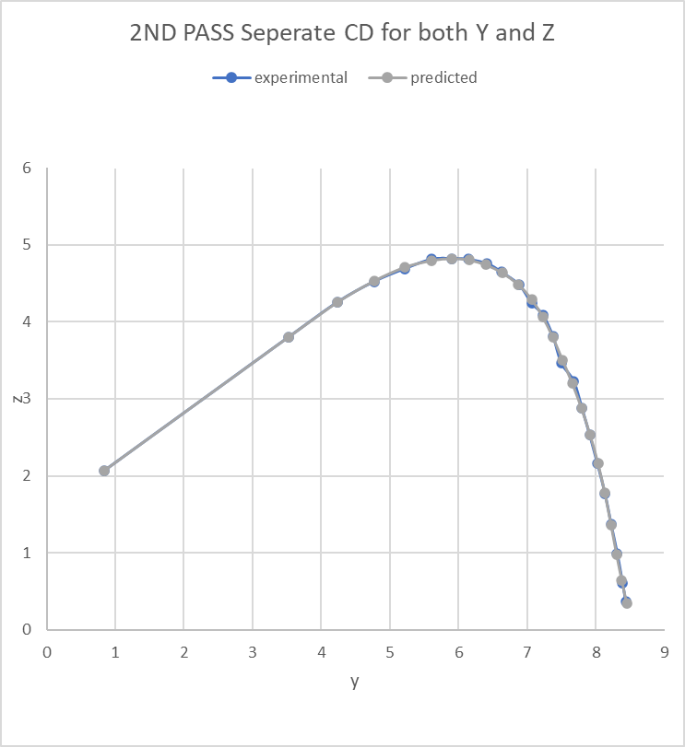
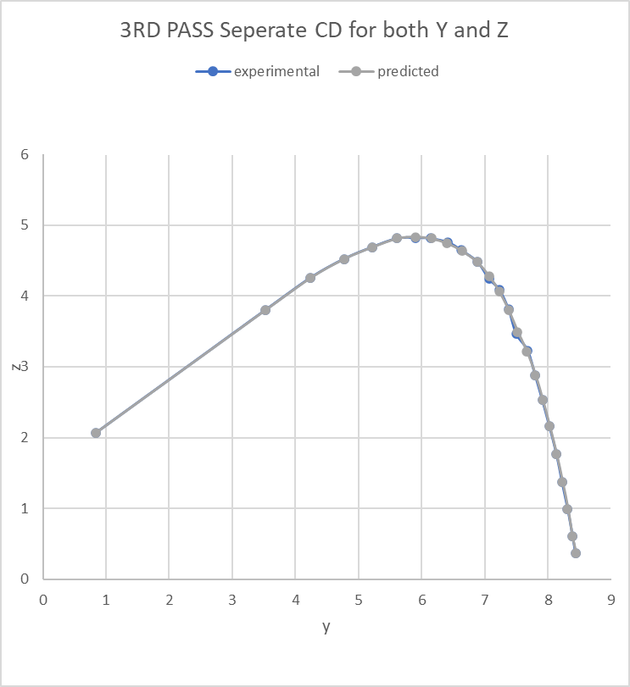

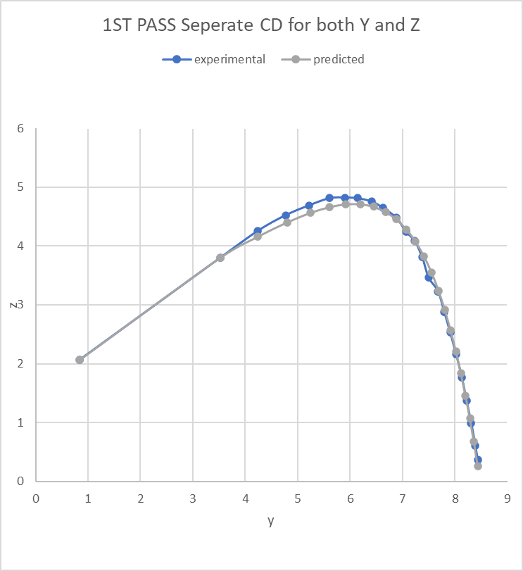
Starting value 0.3

 | 0.165 | 0.011234714274 | 0.0050224265592 |  | 0.0050224265591 | STABLE

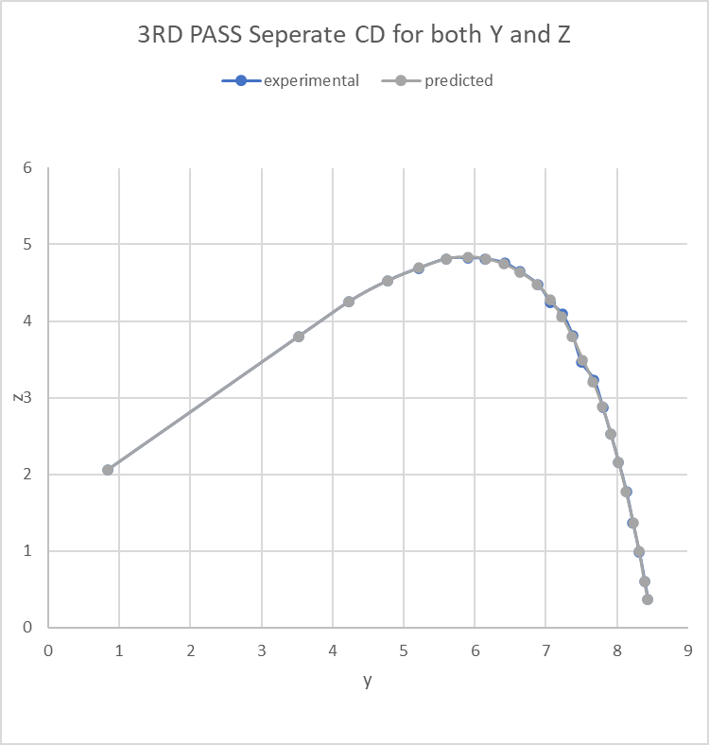
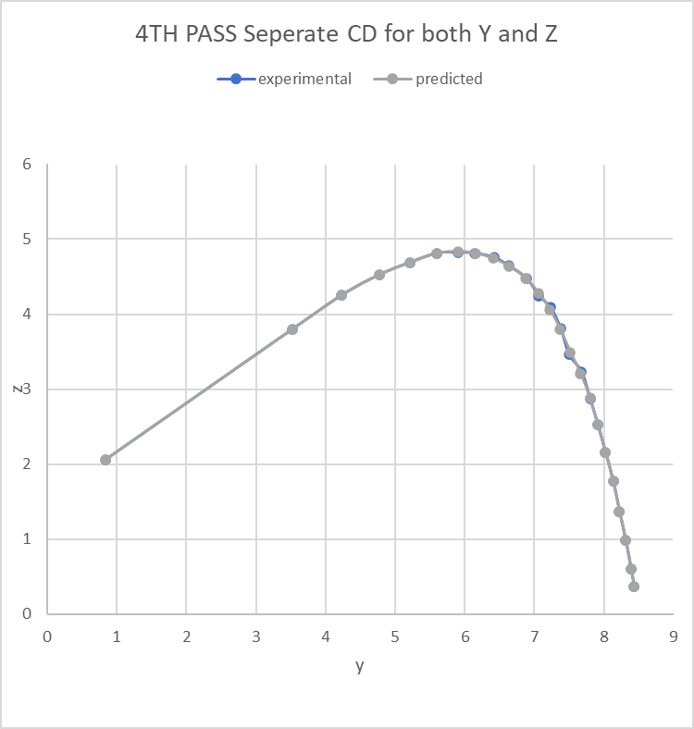
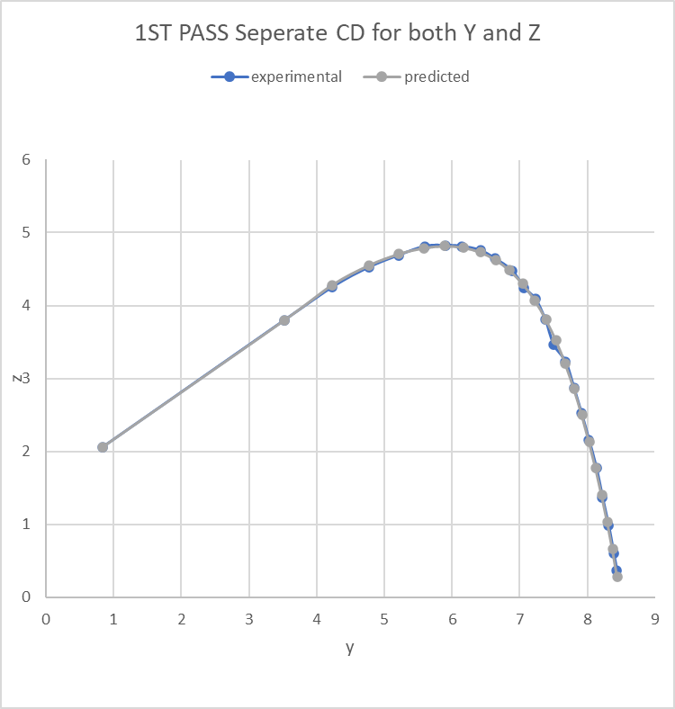
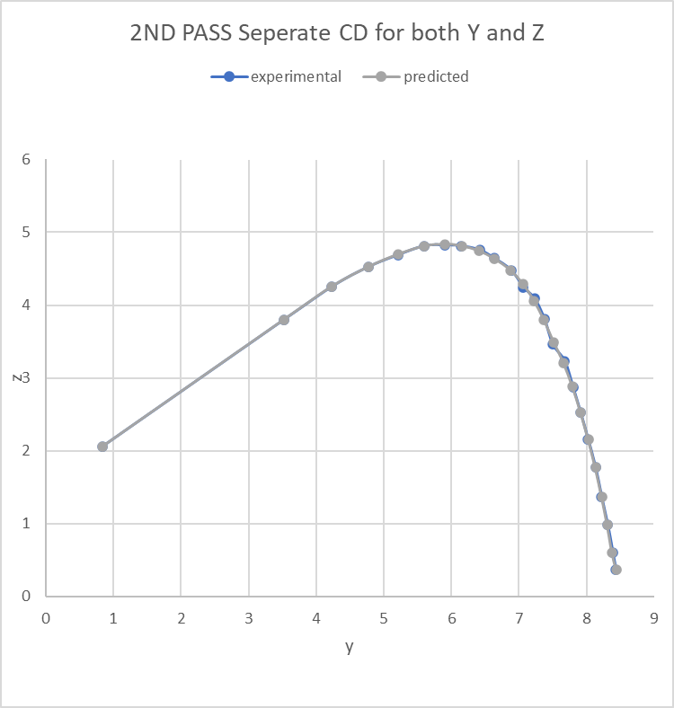
Starting value 0.5

 | 0.031843411764 | 0.0057190771081 |  | 0.0048832526455 | 0.0047692338317 | stable

